Plots
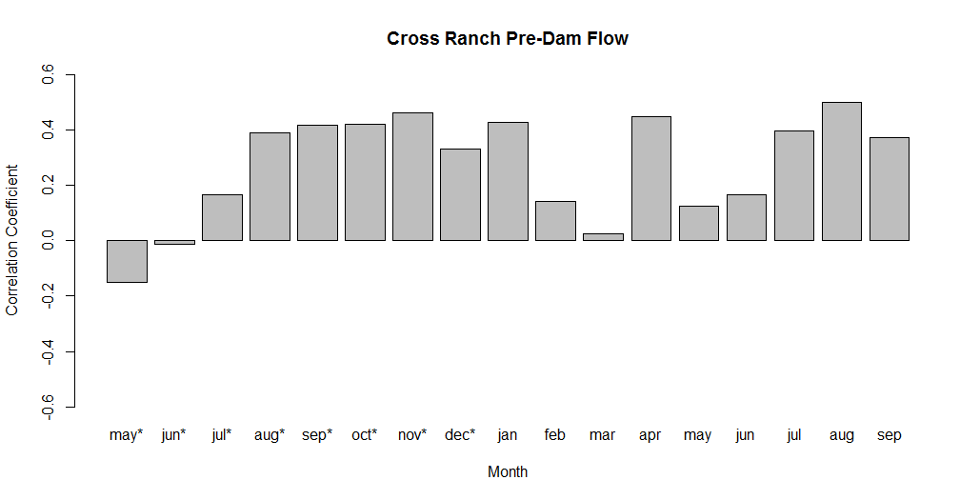
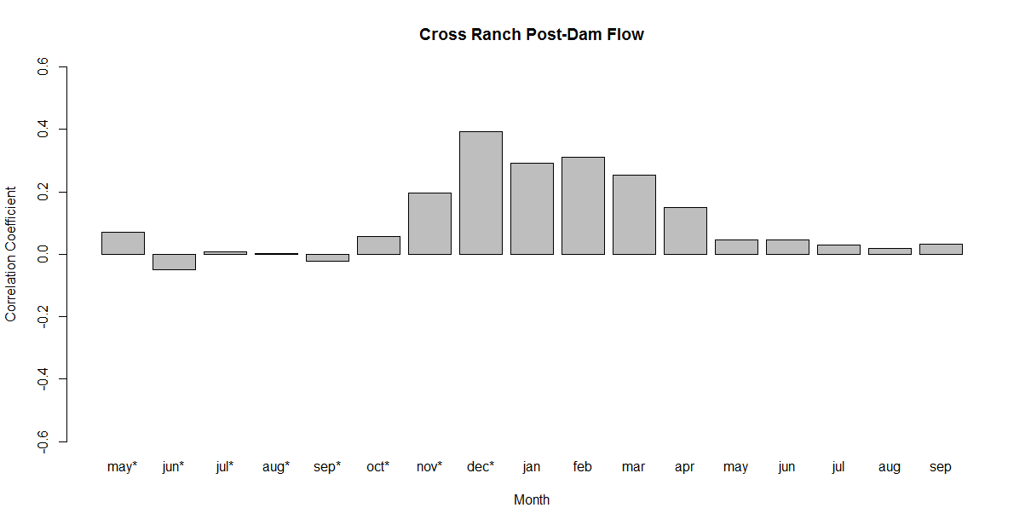
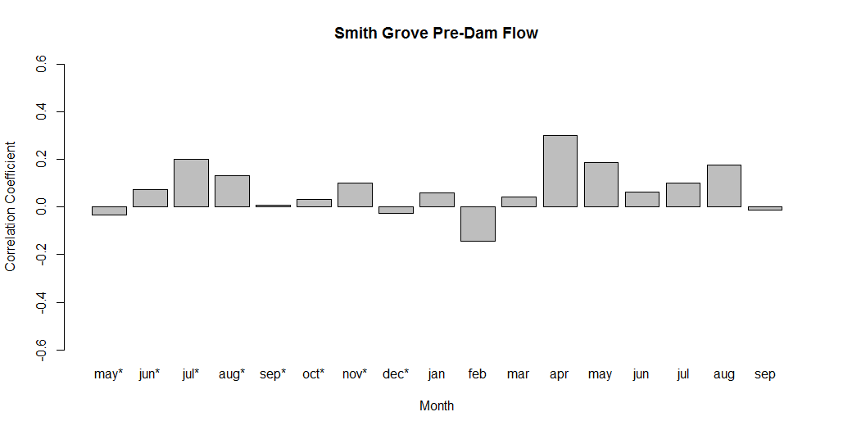
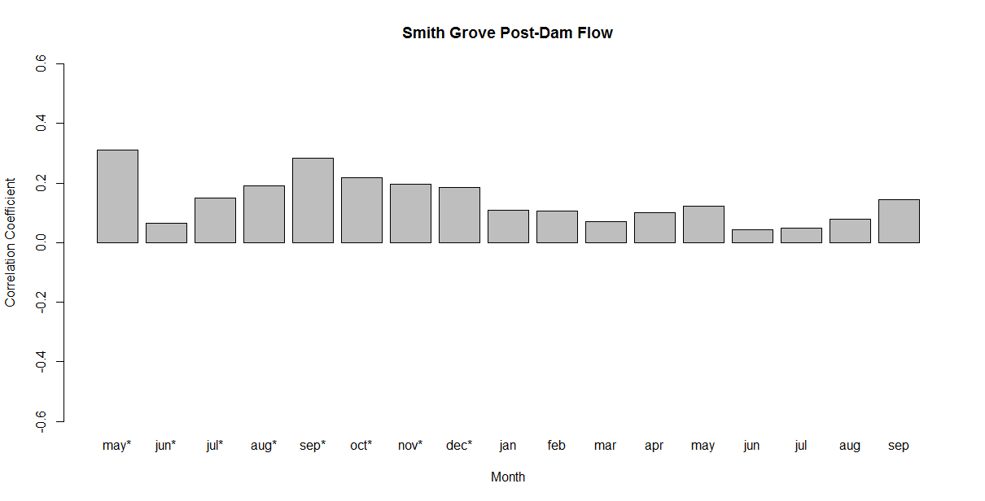
Precipitation

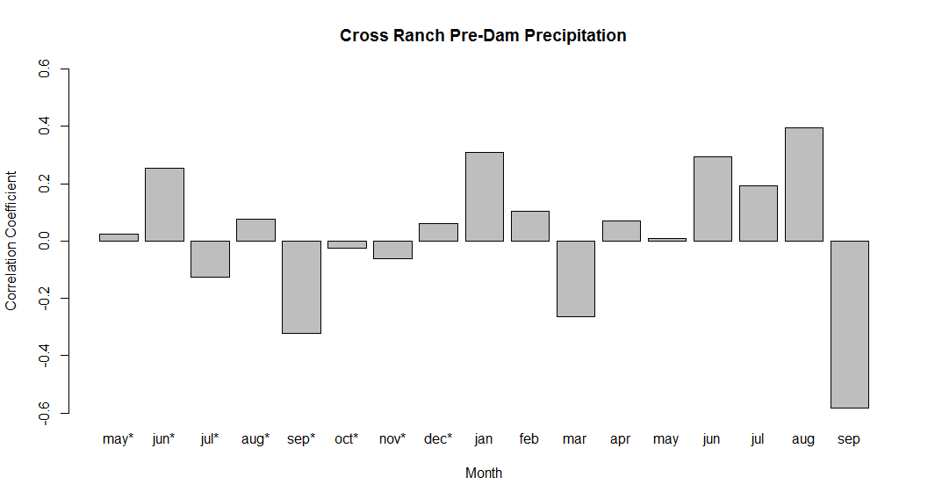
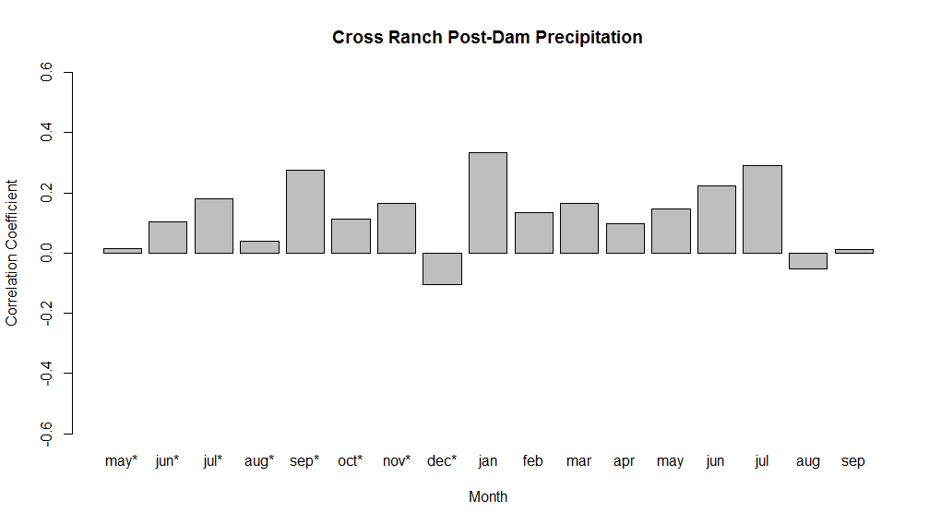

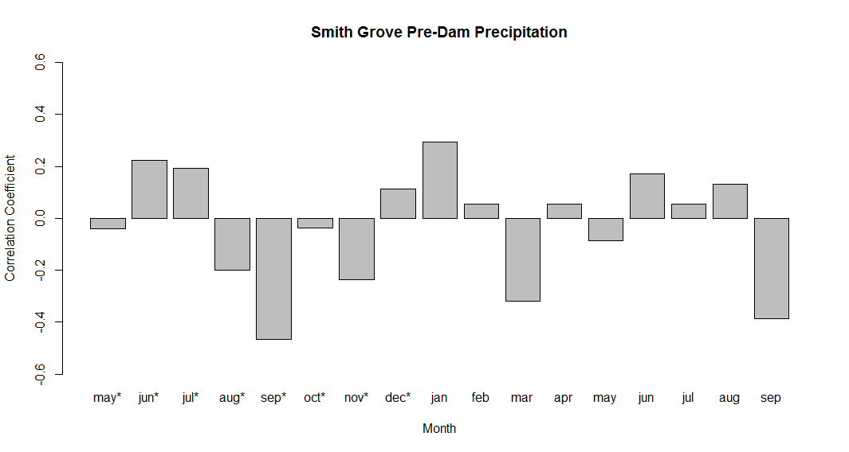
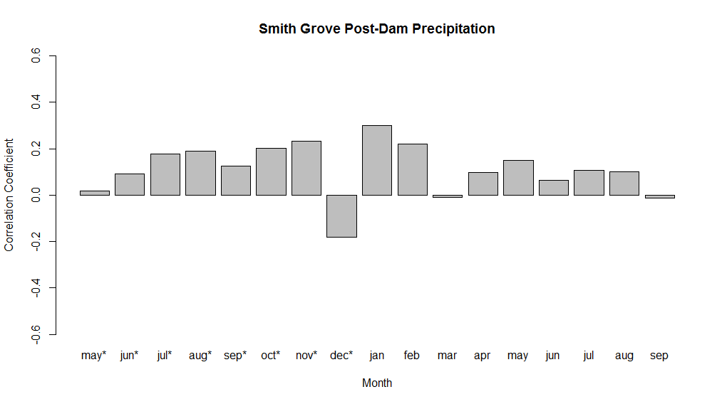

Max Temperature

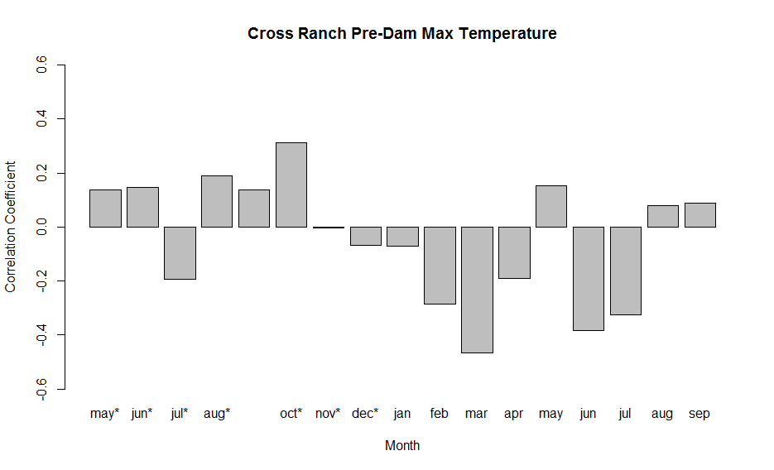
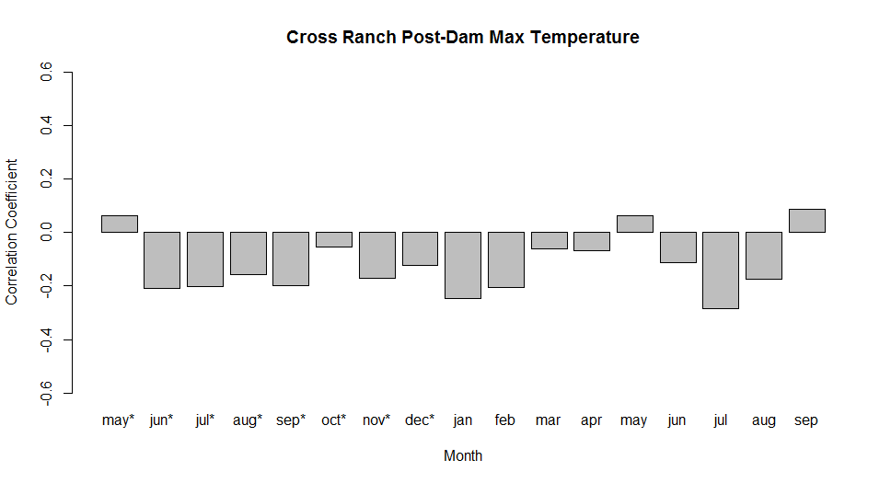

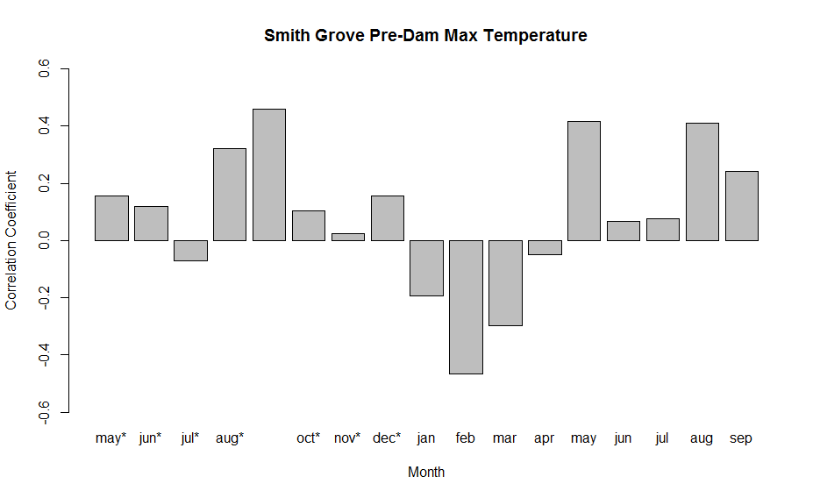
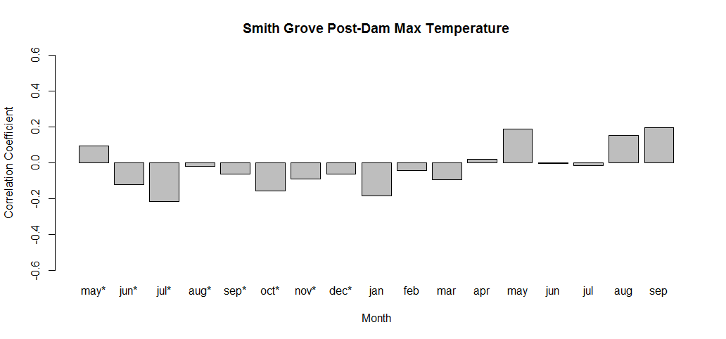

PDSI

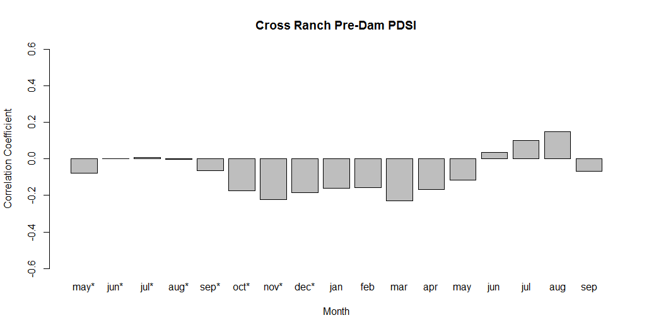
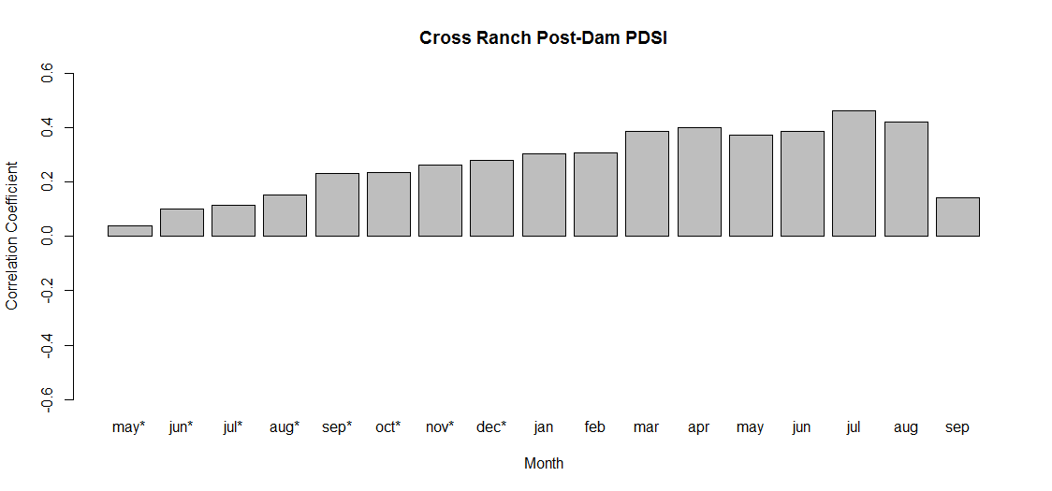

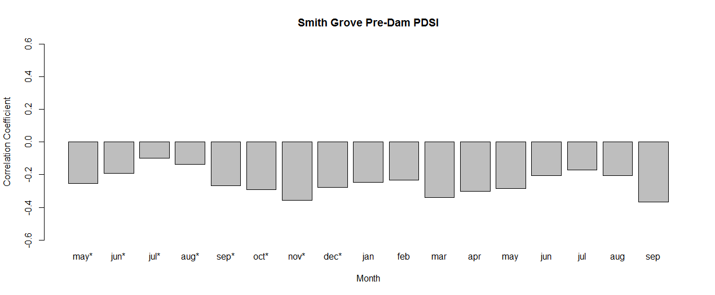
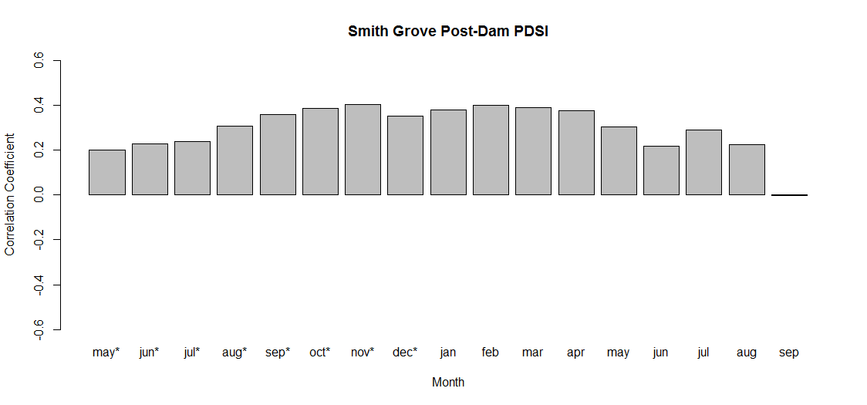

FLOW

September Problem
Understanding the Early Precipitation "September" problem

First, we'll try lengthening the record of analysis to see of this trend extends back to 1900

Cross Ranch Precip, 1900 - 1953 |  |  |  |  |  |  |  |  |  |  | Smith Grove Precip, 1900 - 1953
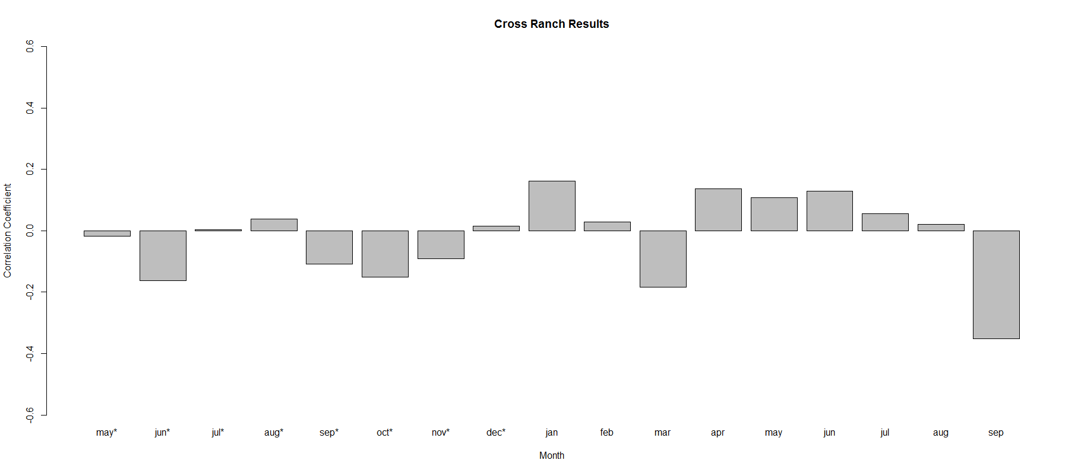
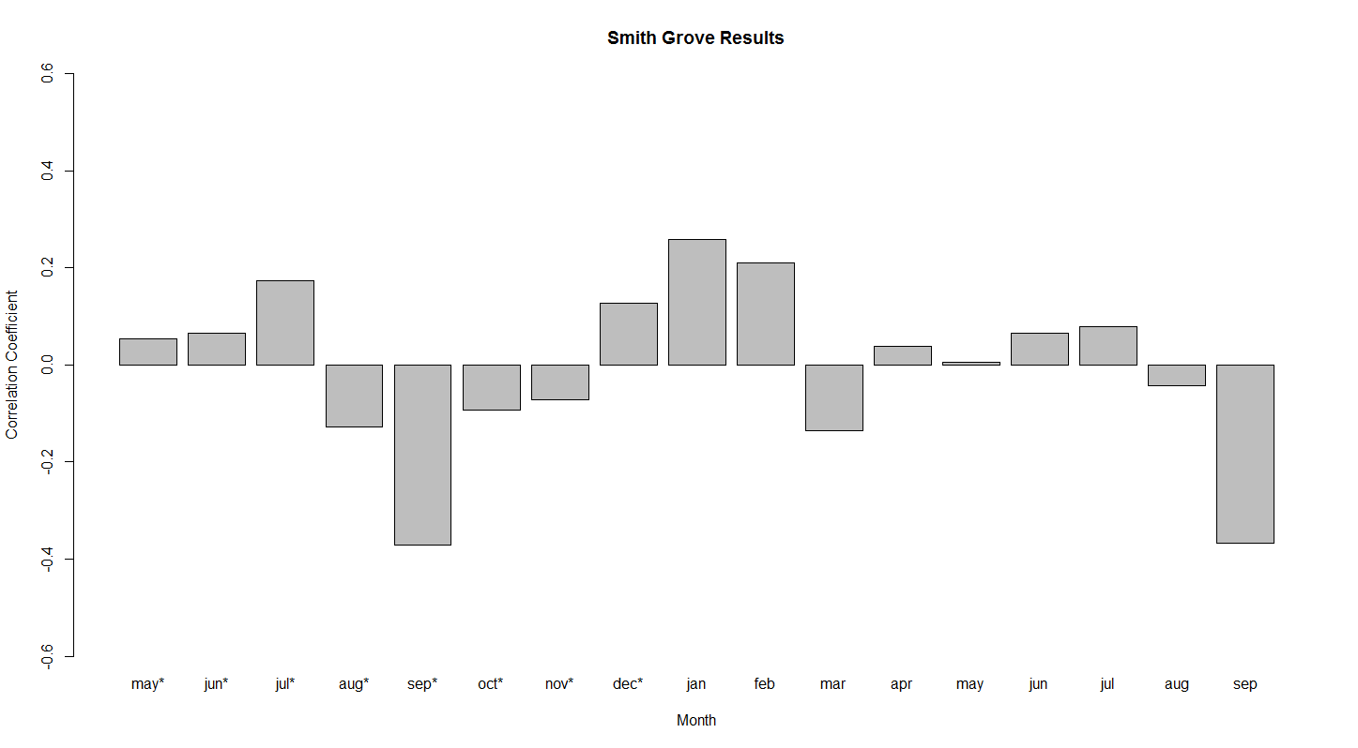

Yes, A strong negative correlation with september precipitation still exists when you extend the analysis back 29 more years. Lets take a peek at the 1900 - 1928 years, and how they compare to the 1929 - 1953 years.

Cross Ranch Precip, 1900 - 1928 |  |  |  |  |  |  |  |  |  |  | Smith Grove Precip, 1900 - 1928
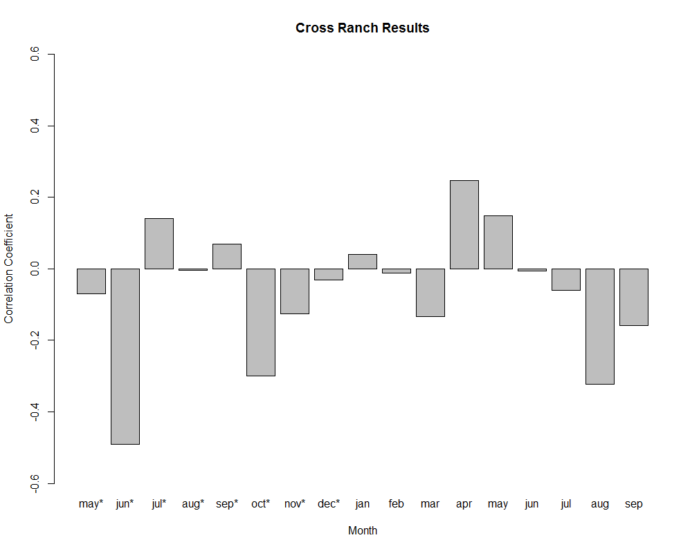
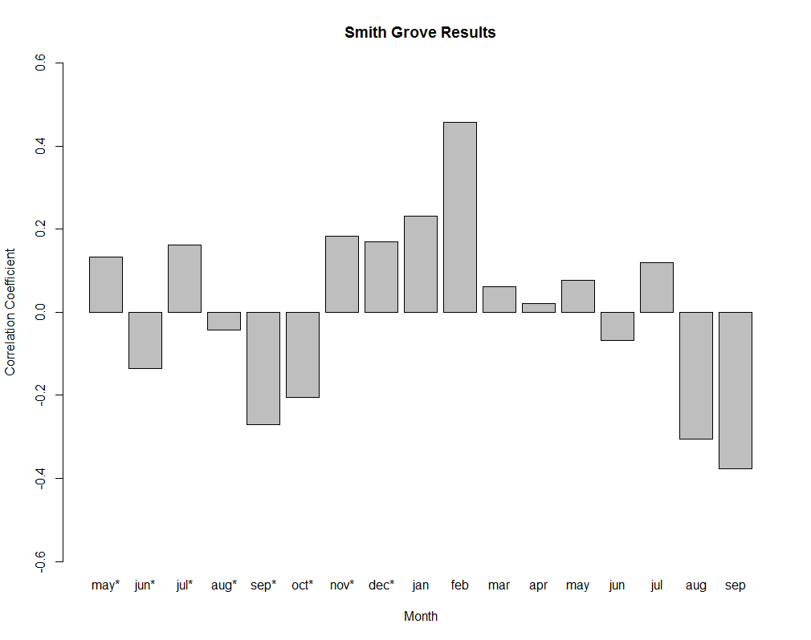

Cross Ranch Precip, 1929 - 1953 |  |  |  |  |  |  |  |  |  |  | Smith Grove Precip, 1929 - 1953

Interesting, There is a strong negative correlation with August precipitation in both sites. This correlation turns strongly positive post 1929.

1929 - 1953 Climate Variable Correlations

 |  |  |  |  |  |  | Flow |  |  |  |  |  |  |  |  |  |  |  | Temperature |  |  |  |  |  |  |  |  |  |  |  | PDSI
 |  | jan | feb | mar | apr | may | jun | jul | aug | sep | oct | nov | dec | jan | feb | mar | apr | may | jun | jul | aug | sep | oct | nov | dec | jan | feb | mar | apr | may | jun | jul | aug | sep | oct | nov | dec
 | jan | 0.39 | 0.23 | -0.20 | -0.31 | -0.10 | -0.02 | -0.18 | 0.42 | -0.27 | -0.18 | 0.11 | 0.11 | -0.55 | -0.29 | -0.23 | -0.06 | 0.08 | 0.28 | 0.13 | 0.09 | 0.02 | -0.01 | 0.22 | -0.25 | 0.40 | 0.25 | 0.16 | -0.13 | -0.03 | -0.28 | -0.18 | 0.18 | 0.17 | 0.35 | -0.15 | 0.28
 | feb | 0.17 | 0.36 | -0.25 | -0.32 | -0.18 | -0.01 | -0.08 | 0.30 | -0.10 | -0.01 | 0.15 | -0.02 | -0.31 | -0.03 | 0.10 | 0.15 | 0.23 | 0.14 | 0.31 | -0.02 | 0.13 | 0.06 | 0.05 | 0.01 | 0.38 | 0.35 | 0.10 | -0.14 | -0.05 | -0.28 | -0.18 | 0.17 | 0.17 | 0.38 | -0.13 | 0.26
 | mar | 0.05 | 0.17 | -0.23 | -0.36 | -0.04 | 0.02 | -0.23 | -0.10 | -0.12 | 0.20 | 0.02 | 0.02 | -0.37 | -0.32 | 0.12 | -0.01 | 0.10 | -0.11 | -0.02 | -0.48 | 0.34 | 0.00 | -0.18 | 0.02 | 0.26 | 0.04 | 0.42 | 0.13 | 0.09 | -0.31 | -0.05 | -0.01 | 0.13 | 0.28 | -0.13 | 0.38
 | apr | 0.68 | 0.44 | -0.09 | -0.26 | -0.18 | 0.11 | -0.11 | 0.28 | -0.32 | 0.03 | 0.04 | -0.05 | -0.03 | 0.29 | -0.44 | -0.31 | -0.14 | -0.02 | 0.15 | 0.07 | 0.01 | 0.39 | -0.15 | -0.19 | 0.22 | -0.06 | 0.55 | 0.40 | 0.33 | -0.18 | -0.04 | -0.08 | 0.04 | 0.28 | -0.12 | 0.41
 | may | 0.42 | 0.17 | -0.25 | -0.14 | -0.13 | 0.00 | -0.32 | -0.15 | -0.32 | 0.32 | -0.08 | 0.02 | -0.02 | -0.09 | -0.45 | -0.38 | -0.60 | 0.07 | -0.25 | 0.19 | -0.13 | -0.11 | -0.02 | -0.41 | 0.18 | -0.05 | 0.58 | 0.48 | 0.57 | -0.15 | -0.01 | 0.02 | 0.10 | 0.22 | 0.09 | 0.37
Precip. | jun | 0.19 | -0.12 | 0.02 | 0.23 | 0.40 | 0.16 | -0.20 | 0.04 | -0.37 | 0.08 | 0.43 | 0.10 | 0.27 | 0.05 | 0.08 | -0.25 | -0.09 | -0.38 | -0.27 | -0.41 | 0.03 | -0.01 | -0.11 | -0.19 | 0.19 | -0.09 | 0.55 | 0.50 | 0.59 | 0.12 | 0.01 | 0.14 | 0.08 | 0.25 | 0.09 | 0.31
 | jul | 0.17 | 0.05 | 0.04 | 0.20 | 0.28 | 0.29 | 0.00 | 0.16 | -0.34 | 0.07 | 0.36 | 0.10 | -0.17 | 0.01 | -0.23 | -0.17 | -0.44 | -0.21 | -0.25 | -0.24 | 0.09 | 0.06 | -0.01 | -0.19 | 0.18 | -0.06 | 0.51 | 0.55 | 0.58 | 0.09 | 0.25 | 0.14 | 0.04 | 0.19 | 0.07 | 0.37
 | aug | 0.31 | 0.29 | -0.03 | 0.10 | 0.03 | 0.31 | 0.06 | 0.42 | -0.13 | 0.17 | 0.19 | 0.06 | 0.22 | -0.08 | -0.20 | 0.15 | -0.12 | 0.28 | -0.24 | -0.41 | -0.14 | 0.25 | -0.08 | -0.24 | 0.09 | 0.00 | 0.39 | 0.43 | 0.40 | 0.06 | 0.36 | 0.36 | 0.13 | 0.08 | 0.14 | 0.38
 | sep | 0.41 | 0.20 | 0.09 | 0.00 | 0.11 | 0.21 | 0.00 | 0.40 | -0.09 | 0.12 | 0.06 | 0.17 | 0.05 | 0.33 | -0.11 | 0.15 | -0.09 | -0.02 | 0.10 | -0.38 | -0.32 | -0.11 | 0.03 | -0.29 | 0.07 | -0.11 | 0.46 | 0.30 | 0.37 | 0.01 | 0.25 | 0.30 | 0.45 | 0.17 | -0.05 | 0.42
 | oct | 0.35 | 0.19 | 0.13 | 0.07 | 0.08 | 0.25 | -0.02 | 0.40 | -0.14 | 0.15 | 0.06 | 0.22 | 0.03 | -0.23 | 0.28 | 0.09 | 0.05 | 0.33 | -0.17 | -0.03 | -0.10 | -0.26 | 0.38 | -0.20 | -0.03 | -0.10 | 0.32 | 0.45 | 0.32 | -0.09 | 0.31 | 0.23 | 0.47 | 0.48 | -0.12 | 0.33
 | nov | 0.38 | 0.31 | 0.03 | -0.09 | 0.13 | 0.23 | -0.08 | 0.53 | -0.27 | -0.01 | 0.21 | 0.19 | 0.09 | 0.11 | -0.21 | -0.17 | 0.02 | -0.03 | -0.08 | -0.03 | -0.13 | 0.24 | -0.41 | -0.14 | -0.08 | -0.11 | 0.28 | 0.46 | 0.35 | -0.05 | 0.29 | 0.31 | 0.46 | 0.42 | 0.11 | 0.27
 | dec | 0.31 | 0.21 | 0.12 | -0.12 | 0.20 | 0.36 | -0.13 | 0.51 | -0.19 | 0.04 | 0.49 | -0.05 | -0.07 | 0.21 | -0.07 | -0.06 | 0.07 | 0.43 | -0.12 | -0.14 | 0.05 | 0.06 | 0.05 | -0.57 | -0.03 | -0.18 | 0.34 | 0.50 | 0.35 | -0.09 | 0.35 | 0.22 | 0.41 | 0.43 | -0.05 | 0.40

August flow is strongly, positively correlated with precipitation (Jan, Aug, Sept, Oct, Nov, Dec)
September flow is weakly, negatively correlated with precip (all months)

Some Excel Plots to look further into the issue

1929 - 1953 September Flow
 | flow.sep
1929 | 11390
1930 | 15070
1931 | 6119
1932 | 11890
1933 | 15990
1934 | 4561
1935 | 7876
1936 | 7564
1937 | 6227
1938 | 20470
1939 | 7833
1940 | 10810
1941 | 22230
1942 | 19480
1943 | 27860
1944 | 20230
1945 | 24500
1946 | 25810
1947 | 31770
1948 | 30560
1949 | 25710
1950 | 29450
1951 | 37320
1952 | 27920
1953 | 29740
1929 - 1953 September Precipitaiton
 | prec.sep
1929 | 1.69
1930 | 2.7
1931 | 2.81
1932 | 0.33
1933 | 0.37
1934 | 0.54
1935 | 0.38
1936 | 1.66
1937 | 1.19
1938 | 1.11
1939 | 0.24
1940 | 1.38
1941 | 3.91
1942 | 2.08
1943 | 0.23
1944 | 1.34
1945 | 1.99
1946 | 2.23
1947 | 1.5
1948 | 0.02
1949 | 0.54
1950 | 1.7
1951 | 0.76
1952 | 0.4
1953 | 0.42

1929 - 2014 September Flow
 | flow.sep
1929 | 11390
1930 | 15070
1931 | 6119
1932 | 11890
1933 | 15990
1934 | 4561
1935 | 7876
1936 | 7564
1937 | 6227
1938 | 20470
1939 | 7833
1940 | 10810
1941 | 22230
1942 | 19480
1943 | 27860
1944 | 20230
1945 | 24500
1946 | 25810
1947 | 31770
1948 | 30560
1949 | 25710
1950 | 29450
1951 | 37320
1952 | 27920
1953 | 29740
1954 | 38650
1955 | 30270
1956 | 20230
1957 | 17140
1958 | 29710
1959 | 21220
1960 | 12560
1961 | 9369
1962 | 8121
1963 | 9683
1964 | 18920
1965 | 13140
1966 | 17440
1967 | 28760
1968 | 24910
1969 | 28880
1970 | 24170
1971 | 26260
1972 | 22650
1973 | 20930
1974 | 25920
1975 | 39700
1976 | 29410
1977 | 16230
1978 | 35460
...
1929 - 2014 September Precipitation
 | prec.sep
1929 | 1.69
1930 | 2.7
1931 | 2.81
1932 | 0.33
1933 | 0.37
1934 | 0.54
1935 | 0.38
1936 | 1.66
1937 | 1.19
1938 | 1.11
1939 | 0.24
1940 | 1.38
1941 | 3.91
1942 | 2.08
1943 | 0.23
1944 | 1.34
1945 | 1.99
1946 | 2.23
1947 | 1.5
1948 | 0.02
1949 | 0.54
1950 | 1.7
1951 | 0.76
1952 | 0.4
1953 | 0.42
1954 | 2.69
1955 | 2.26
1956 | 0.55
1957 | 0.74
1958 | 0.41
1959 | 1.57
1960 | 0.29
1961 | 2.81
1962 | 0.79
1963 | 0.72
1964 | 0.66
1965 | 3.02
1966 | 0.86
1967 | 2.09
1968 | 1.2
1969 | 0.49
1970 | 1.47
1971 | 1.63
1972 | 0.29
1973 | 2.32
1974 | 0.23
1975 | 0.57
1976 | 1.59
1977 | 6.93
1978 | 1.8
...

Early Year Flow
 | flow.jan | flow.feb | flow.mar | flow.apr
1929 | 10690 | 8575 | 32470 | 33360
1930 | 8774 | 16010 | 28550 | 35740
1931 | 6693 | 10070 | 13450 | 13100
1932 | 6510 | 5558 | 12540 | 27900
1933 | 8180 | 7548 | 28350 | 19860
1934 | 8877 | 15370 | 19030 | 19260
1935 | 5029 | 8236 | 10380 | 17450
1936 | 5681 | 6276 | 21940 | 23530
1937 | 6027 | 5418 | 12210 | 19120
1938 | 6327 | 4241 | 31260 | 11230
1939 | 10800 | 7118 | 35980 | 32050
1940 | 3365 | 4610 | 6210 | 17680
1941 | 5261 | 5832 | 7519 | 21620
1942 | 5432 | 8007 | 16450 | 19970
1943 | 5945 | 8493 | 27330 | 62140
1944 | 13610 | 12670 | 13830 | 40820
1945 | 15280 | 11130 | 29260 | 12660
1946 | 6452 | 6611 | 21440 | 12300
1947 | 9116 | 11300 | 28750 | 39350
1948 | 10620 | 9186 | 20690 | 34320
1949 | 12440 | 12380 | 20370 | 45920
1950 | 8558 | 8504 | 11050 | 46960
1951 | 14060 | 13220 | 13860 | 45320
1952 | 15290 | 16840 | 11460 | 90160
1953 | 11130 | 11210 | 12690 | 18270
1954 | 8600 | 11180 | 16960 | 22650
1955 | 6519 | 7169 | 6317 | 13850
1956 | 7838 | 5883 | 10120 | 25340
1957 | 10900 | 14080 | 12430 | 17320
1958 | 14190 | 13270 | 15370 | 19090
1959 | 14580 | 15990 | 16150 | 16800
1960 | 15110 | 18360 | 19600 | 14190
1961 | 20620 | 20090 | 20880 | 20790
1962 | 21710 | 23540 | 24080 | 23540
1963 | 20270 | 20200 | 22440 | 17000
1964 | 24320 | 28000 | 25850 | 20550
1965 | 28230 | 31430 | 31390 | 29090
1966 | 20680 | 27810 | 25760 | 10510
1967 | 27020 | 32610 | 31710 | 19220
1968 | 27690 | 33310 | 23700 | 23570
1969 | 32350 | 34840 | 33550 | 32350
1970 | 26980 | 29840 | 22530 | 28020
1971 | 28300 | 29850 | 32760 | 38220
1972 | 31220 | 30500 | 34370 | 40370
1973 | 28190 | 27220 | 27860 | 22660
1974 | 27500 | 28740 | 28360 | 21850
1975 | 24470 | 30180 | 27350 | 22650
1976 | 28060 | 34640 | 29570 | 34700
1977 | 29100 | 30700 | 23580 | 17950
1978 | 27770 | 30710 | 26070 | 23060
...
Late Year Flow
 | flow.sep | flow.oct | flow.nov | flow.dec
1929 | 11390 | 13820 | 12560 | 7918
1930 | 15070 | 13280 | 12550 | 8795
1931 | 6119 | 9400 | 7272 | 5169
1932 | 11890 | 11600 | 9269 | 7770
1933 | 15990 | 9343 | 12050 | 5974
1934 | 4561 | 7521 | 8658 | 5481
1935 | 7876 | 7938 | 6380 | 8329
1936 | 7564 | 8304 | 10220 | 5258
1937 | 6227 | 10540 | 7470 | 4486
1938 | 20470 | 15080 | 15290 | 10600
1939 | 7833 | 8854 | 10210 | 7551
1940 | 10810 | 12960 | 6420 | 7348
1941 | 22230 | 17430 | 11450 | 7597
1942 | 19480 | 19660 | 16190 | 5526
1943 | 27860 | 28010 | 24620 | 16500
1944 | 20230 | 22730 | 21180 | 15670
1945 | 24500 | 25280 | 12350 | 6095
1946 | 25810 | 24280 | 11170 | 7965
1947 | 31770 | 33940 | 21010 | 12870
1948 | 30560 | 35150 | 23300 | 8010
1949 | 25710 | 25850 | 15250 | 7510
1950 | 29450 | 31190 | 20260 | 13580
1951 | 37320 | 38800 | 32170 | 12550
1952 | 27920 | 28000 | 18960 | 10220
1953 | 29740 | 33490 | 22190 | 9635
1954 | 38650 | 28540 | 11550 | 7890
1955 | 30270 | 32100 | 16780 | 9097
1956 | 20230 | 15810 | 14100 | 11510
1957 | 17140 | 14680 | 9838 | 11230
1958 | 29710 | 20430 | 16750 | 14970
1959 | 21220 | 16200 | 15590 | 14970
1960 | 12560 | 10000 | 12330 | 15120
1961 | 9369 | 16410 | 25180 | 16080
1962 | 8121 | 8399 | 8155 | 14330
1963 | 9683 | 11600 | 17010 | 24590
1964 | 18920 | 17150 | 23770 | 21780
1965 | 13140 | 29460 | 33950 | 31260
1966 | 17440 | 21090 | 25600 | 23060
1967 | 28760 | 32390 | 28900 | 27350
1968 | 24910 | 35080 | 26360 | 28270
1969 | 28880 | 26860 | 28520 | 31690
1970 | 24170 | 28730 | 31060 | 27310
1971 | 26260 | 26450 | 27240 | 24150
1972 | 22650 | 22970 | 24910 | 21220
1973 | 20930 | 20340 | 21110 | 23970
1974 | 25920 | 29480 | 26400 | 25920
1975 | 39700 | 34210 | 34390 | 29100
1976 | 29410 | 28370 | 32460 | 26500
1977 | 16230 | 14050 | 17190 | 22980
1978 | 35460 | 34550 | 35040 | 24710
...
Mid Year Flow
 | flow.may | flow.jun | flow.jul | flow.aug
1929 | 39040 | 79400 | 39450 | 14090
1930 | 31680 | 38850 | 23140 | 17550
1931 | 16330 | 34530 | 12610 | 9052
1932 | 35920 | 69170 | 43410 | 13770
1933 | 39200 | 70830 | 25080 | 9068
1934 | 26040 | 28450 | 11000 | 6249
1935 | 16800 | 53800 | 39200 | 11990
1936 | 30430 | 40480 | 17030 | 9806
1937 | 16730 | 48220 | 33260 | 9545
1938 | 15450 | 54470 | 58020 | 23930
1939 | 31580 | 47170 | 27010 | 12760
1940 | 18430 | 30420 | 18540 | 19740
1941 | 20040 | 37170 | 20180 | 21600
1942 | 24210 | 52900 | 29090 | 18910
1943 | 22150 | 59600 | 53770 | 26800
1944 | 20140 | 72520 | 43750 | 25430
1945 | 14190 | 38380 | 39290 | 18700
1946 | 16540 | 37070 | 29660 | 19990
1947 | 41960 | 57960 | 47330 | 36300
1948 | 31500 | 66110 | 51700 | 34550
1949 | 28200 | 39010 | 27480 | 25730
1950 | 25370 | 41960 | 37890 | 29130
1951 | 31550 | 42420 | 34080 | 36380
1952 | 37890 | 42310 | 24230 | 28360
1953 | 23840 | 51880 | 30310 | 27390
1954 | 25280 | 16680 | 30850 | 39120
1955 | 39210 | 23640 | 28750 | 25340
1956 | 28550 | 33110 | 29910 | 27480
1957 | 20340 | 15470 | 16500 | 21750
1958 | 20770 | 29370 | 14730 | 17680
1959 | 21000 | 21340 | 20950 | 21680
1960 | 13260 | 8445 | 10840 | 12760
1961 | 19340 | 14350 | 13760 | 16590
1962 | 22310 | 22140 | 13800 | 9271
1963 | 9234 | 16720 | 17140 | 9821
1964 | 17780 | 21390 | 14590 | 13600
1965 | 23870 | 27630 | 22610 | 14490
1966 | 10900 | 13350 | 18700 | 20230
1967 | 10900 | 27130 | 32920 | 39400
1968 | 21500 | 18570 | 17950 | 22380
1969 | 26060 | 19930 | 29740 | 33300
1970 | 31950 | 31050 | 28720 | 29920
1971 | 40950 | 37360 | 36910 | 28910
1972 | 42030 | 40800 | 30130 | 26230
1973 | 18000 | 19690 | 21450 | 21910
1974 | 23030 | 25680 | 28060 | 29780
1975 | 35450 | 43540 | 64610 | 57010
1976 | 38030 | 40880 | 39680 | 34990
1977 | 17200 | 17250 | 18850 | 17790
1978 | 17550 | 33030 | 42410 | 42260
...

Cross Ranch & Sept Flow 1929 - 1953
11390 | 0.721
15070 | 0.75
6119 | 0.39
11890 | 0.793
15990 | 0.869
4561 | 0.854
7876 | 1.031
7564 | 0.741
6227 | 1.009
20470 | 1.096
7833 | 1.358
10810 | 0.985
22230 | 0.789
19480 | 0.977
27860 | 1.032
20230 | 1.225
24500 | 0.905
25810 | 0.573
31770 | 0.99
30560 | 1.099
25710 | 1.183
29450 | 1.096
37320 | 1.265
27920 | 1.127
29740 | 0.98
1929 - 1953 Cross Growth (Y) & Sept Prec (X)
 | cross.std
1.69 | 0.721
2.7 | 0.75
2.81 | 0.39
0.33 | 0.793
0.37 | 0.869
0.54 | 0.854
0.38 | 1.031
1.66 | 0.741
1.19 | 1.009
1.11 | 1.096
0.24 | 1.358
1.38 | 0.985
3.91 | 0.789
2.08 | 0.977
0.23 | 1.032
1.34 | 1.225
1.99 | 0.905
2.23 | 0.573
1.5 | 0.99
0.02 | 1.099
0.54 | 1.183
1.7 | 1.096
0.76 | 1.265
0.4 | 1.127
0.42 | 0.98

Smith Grove & Sept Flow 1929 - 1953
 | smith.std
11390 | 0.972
15070 | 0.9
6119 | 0.614
11890 | 0.964
15990 | 0.981
4561 | 0.983
7876 | 0.929
7564 | 0.999
6227 | 1.016
20470 | 1.273
7833 | 1.381
10810 | 1.256
22230 | 1.126
19480 | 0.896
27860 | 1.008
20230 | 1.081
24500 | 0.723
25810 | 0.622
31770 | 0.935
30560 | 1.024
25710 | 1.291
29450 | 1.018
37320 | 1.007
27920 | 1.117
29740 | 0.958
1929 - 1953 Smith Growth (y) & Sept Prec (x)
 | smith.std
1.69 | 0.972
2.7 | 0.9
2.81 | 0.614
0.33 | 0.964
0.37 | 0.981
0.54 | 0.983
0.38 | 0.929
1.66 | 0.999
1.19 | 1.016
1.11 | 1.273
0.24 | 1.381
1.38 | 1.256
3.91 | 1.126
2.08 | 0.896
0.23 | 1.008
1.34 | 1.081
1.99 | 0.723
2.23 | 0.622
1.5 | 0.935
0.02 | 1.024
0.54 | 1.291
1.7 | 1.018
0.76 | 1.007
0.4 | 1.117
0.42 | 0.958

1929 - 1953 Sep Flow & Sep Precip
 | flow.sep
1.69 | 11390
2.7 | 15070
2.81 | 6119
0.33 | 11890
0.37 | 15990
0.54 | 4561
0.38 | 7876
1.66 | 7564
1.19 | 6227
1.11 | 20470
0.24 | 7833
1.38 | 10810
3.91 | 22230
2.08 | 19480
0.23 | 27860
1.34 | 20230
1.99 | 24500
2.23 | 25810
1.5 | 31770
0.02 | 30560
0.54 | 25710
1.7 | 29450
0.76 | 37320
0.4 | 27920
0.42 | 29740

Cross Ranch & Sept Precip 1929 - 1965
 | cross.std | prec.sep
1929 | 0.721 | 1.69
1930 | 0.75 | 2.7
1931 | 0.39 | 2.81
1932 | 0.793 | 0.33
1933 | 0.869 | 0.37
1934 | 0.854 | 0.54
1935 | 1.031 | 0.38
1936 | 0.741 | 1.66
1937 | 1.009 | 1.19
1938 | 1.096 | 1.11
1939 | 1.358 | 0.24
1940 | 0.985 | 1.38
1941 | 0.789 | 3.91
1942 | 0.977 | 2.08
1943 | 1.032 | 0.23
1944 | 1.225 | 1.34
1945 | 0.905 | 1.99
1946 | 0.573 | 2.23
1947 | 0.99 | 1.5
1948 | 1.099 | 0.02
1949 | 1.183 | 0.54
1950 | 1.096 | 1.7
1951 | 1.265 | 0.76
1952 | 1.127 | 0.4
1953 | 0.98 | 0.42
1954 | 0.637 | 2.69
1955 | 0.922 | 2.26
1956 | 1.05 | 0.55
1957 | 0.759 | 0.74
1958 | 0.805 | 0.41
1959 | 0.62 | 1.57
1960 | 0.754 | 0.29
1961 | 0.446 | 2.81
1962 | 0.826 | 0.79
1963 | 0.951 | 0.72
1964 | 0.961 | 0.66
1965 | 1.35 | 3.02
Smith Grove & Sept Precip 1929 - 1965
 | smith.std | prec.sep
1929 | 0.972 | 1.69
1930 | 0.9 | 2.7
1931 | 0.614 | 2.81
1932 | 0.964 | 0.33
1933 | 0.981 | 0.37
1934 | 0.983 | 0.54
1935 | 0.929 | 0.38
1936 | 0.999 | 1.66
1937 | 1.016 | 1.19
1938 | 1.273 | 1.11
1939 | 1.381 | 0.24
1940 | 1.256 | 1.38
1941 | 1.126 | 3.91
1942 | 0.896 | 2.08
1943 | 1.008 | 0.23
1944 | 1.081 | 1.34
1945 | 0.723 | 1.99
1946 | 0.622 | 2.23
1947 | 0.935 | 1.5
1948 | 1.024 | 0.02
1949 | 1.291 | 0.54
1950 | 1.018 | 1.7
1951 | 1.007 | 0.76
1952 | 1.117 | 0.4
1953 | 0.958 | 0.42
1954 | 0.701 | 2.69
1955 | 1.052 | 2.26
1956 | 1.096 | 0.55
1957 | 1.152 | 0.74
1958 | 0.92 | 0.41
1959 | 0.838 | 1.57
1960 | 1.032 | 0.29
1961 | 0.694 | 2.81
1962 | 0.73 | 0.79
1963 | 1.027 | 0.72
1964 | 0.805 | 0.66
1965 | 1.023 | 3.02

It snowed once in september between 1929 and 1953, that year was 1942. There seems to be nothing significant about the precip, growth, or flow of 1942.

Sheet2
May - July Flow (y) & September Precip (x)
year | cross.std | smith.std | prec.jan | prec.feb | prec.mar | prec.apr | prec.may | prec.jun | prec.jul | prec.aug | prec.sep | prec.oct | prec.nov | prec.dec | sum | flow.jan | flow.feb | flow.mar | flow.apr | flow.may | flow.jun | flow.jul | flow.may.jun.jul | flow.aug | flow.sep | flow.oct | flow.nov | flow.dec | sum | year | cross.std | smith.std
1929 | 0.721 | 0.972 | 0.69 | 0.32 | 1.61 | 1.87 | 2.37 | 1.09 | 1.06 | 0.75 | 1.69 | 1.82 | 0.25 | 0.81 | 14.33 | 10690 | 8575 | 32470 | 33360 | 39040 | 79400 | 39450 | 157890 | 14090 | 11390 | 13820 | 12560 | 7918 | 460653 | 1929 | 0.721 | 0.972
1930 | 0.75 | 0.9 | 0.23 | 1.36 | 0 | 1.37 | 2.19 | 2.19 | 1.9 | 1.71 | 2.7 | 1.94 | 0.98 | 0.19 | 16.76 | 8774 | 16010 | 28550 | 35740 | 31680 | 38850 | 23140 | 93670 | 17550 | 15070 | 13280 | 12550 | 8795 | 343659 | 1930 | 0.75 | 0.9
1931 | 0.39 | 0.614 | 0.05 | 0.74 | 1.26 | 0.42 | 1.94 | 1.66 | 3.39 | 1.58 | 2.81 | 1.19 | 0.25 | 0.53 | 15.82 | 6693 | 10070 | 13450 | 13100 | 16330 | 34530 | 12610 | 63470 | 9052 | 6119 | 9400 | 7272 | 5169 | 207265 | 1931 | 0.39 | 0.614
1932 | 0.793 | 0.964 | 0.35 | 0.2 | 0.73 | 2.08 | 2.78 | 2.57 | 1.38 | 0.61 | 0.33 | 2.05 | 0.16 | 0.17 | 13.41 | 6510 | 5558 | 12540 | 27900 | 35920 | 69170 | 43410 | 148500 | 13770 | 11890 | 11600 | 9269 | 7770 | 403807 | 1932 | 0.793 | 0.964
1933 | 0.869 | 0.981 | 0.83 | 0.22 | 0.68 | 0.73 | 2.38 | 1.95 | 1.61 | 0.48 | 0.37 | 0.44 | 0.74 | 0.43 | 10.86 | 8180 | 7548 | 28350 | 19860 | 39200 | 70830 | 25080 | 135110 | 9068 | 15990 | 9343 | 12050 | 5974 | 386583 | 1933 | 0.869 | 0.981
1934 | 0.854 | 0.983 | 0.08 | 0.03 | 0.62 | 0.32 | 0.09 | 3.39 | 0.98 | 0.5 | 0.54 | 0.86 | 0.2 | 0.13 | 7.74 | 8877 | 15370 | 19030 | 19260 | 26040 | 28450 | 11000 | 65490 | 6249 | 4561 | 7521 | 8658 | 5481 | 225987 | 1934 | 0.854 | 0.983
1935 | 1.031 | 0.929 | 0.04 | 0.29 | 0.99 | 3.03 | 2.25 | 2.82 | 5.46 | 1.14 | 0.38 | 0 | 0.82 | 0.71 | 17.93 | 5029 | 8236 | 10380 | 17450 | 16800 | 53800 | 39200 | 109800 | 11990 | 7876 | 7938 | 6380 | 8329 | 303208 | 1935 | 1.031 | 0.929
1936 | 0.741 | 0.999 | 0.36 | 0.59 | 0.88 | 0.37 | 0.12 | 0.47 | 0.1 | 0.62 | 1.66 | 0.14 | 0.45 | 0.21 | 5.97 | 5681 | 6276 | 21940 | 23530 | 30430 | 40480 | 17030 | 87940 | 9806 | 7564 | 8304 | 10220 | 5258 | 274459 | 1936 | 0.741 | 0.999
1937 | 1.009 | 1.016 | 0.7 | 0.39 | 0.58 | 1.43 | 1.52 | 6.09 | 2.17 | 1.12 | 1.19 | 0.49 | 0.41 | 0.51 | 16.6 | 6027 | 5418 | 12210 | 19120 | 16730 | 48220 | 33260 | 98210 | 9545 | 6227 | 10540 | 7470 | 4486 | 277463 | 1937 | 1.009 | 1.016
1938 | 1.096 | 1.273 | 0.4 | 0.76 | 0.58 | 0.54 | 2.45 | 3.17 | 2.36 | 0.84 | 1.11 | 0.24 | 0.81 | 0.16 | 13.42 | 6327 | 4241 | 31260 | 11230 | 15450 | 54470 | 58020 | 127940 | 23930 | 20470 | 15080 | 15290 | 10600 | 394308 | 1938 | 1.096 | 1.273
1939 | 1.358 | 1.381 | 0.32 | 0.63 | 0.21 | 0.69 | 1.57 | 5.42 | 2.52 | 1.81 | 0.24 | 0.81 | 0.01 | 0.26 | 14.49 | 10800 | 7118 | 35980 | 32050 | 31580 | 47170 | 27010 | 105760 | 12760 | 7833 | 8854 | 10210 | 7551 | 344676 | 1939 | 1.358 | 1.381
1940 | 0.985 | 1.256 | 0.02 | 0.28 | 0.79 | 2.93 | 1.04 | 2.13 | 3.35 | 0.32 | 1.38 | 1.38 | 0.47 | 0.1 | 14.19 | 3365 | 4610 | 6210 | 17680 | 18430 | 30420 | 18540 | 67390 | 19740 | 10810 | 12960 | 6420 | 7348 | 223923 | 1940 | 0.985 | 1.256
1941 | 0.789 | 1.126 | 0.57 | 0.14 | 0.79 | 1.6 | 1.03 | 5.64 | 2.32 | 2.91 | 3.91 | 1.01 | 0.31 | 0.09 | 20.32 | 5261 | 5832 | 7519 | 21620 | 20040 | 37170 | 20180 | 77390 | 21600 | 22230 | 17430 | 11450 | 7597 | 275319 | 1941 | 0.789 | 1.126
1942 | 0.977 | 0.896 | 0.04 | 0.3 | 1.18 | 2.58 | 3.04 | 2.21 | 4.17 | 1.17 | 2.08 | 0.71 | 0.08 | 0.48 | 18.04 | 5432 | 8007 | 16450 | 19970 | 24210 | 52900 | 29090 | 106200 | 18910 | 19480 | 19660 | 16190 | 5526 | 342025 | 1942 | 0.977 | 0.896
1943 | 1.032 | 1.008 | 0.75 | 0.53 | 1.31 | 0.87 | 2.05 | 5.44 | 2.15 | 2.72 | 0.23 | 1.54 | 0.58 | 0.33 | 18.5 | 5945 | 8493 | 27330 | 62140 | 22150 | 59600 | 53770 | 135520 | 26800 | 27860 | 28010 | 24620 | 16500 | 498738 | 1943 | 1.032 | 1.008
1944 | 1.225 | 1.081 | 0.22 | 0.36 | 0.43 | 1.05 | 2.45 | 4.85 | 1.01 | 5.05 | 1.34 | 0.08 | 2.56 | 0 | 19.4 | 13610 | 12670 | 13830 | 40820 | 20140 | 72520 | 43750 | 136410 | 25430 | 20230 | 22730 | 21180 | 15670 | 458990 | 1944 | 1.225 | 1.081
1945 | 0.905 | 0.723 | 0.39 | 0.21 | 0.98 | 0.98 | 0.97 | 1.74 | 1.98 | 1.76 | 1.99 | 0.07 | 0.27 | 0.39 | 11.73 | 15280 | 11130 | 29260 | 12660 | 14190 | 38380 | 39290 | 91860 | 18700 | 24500 | 25280 | 12350 | 6095 | 338975 | 1945 | 0.905 | 0.723
1946 | 0.573 | 0.622 | 0.07 | 0.38 | 1.25 | 1.04 | 1.93 | 2.99 | 2.1 | 1.12 | 2.23 | 2.04 | 0.17 | 0.53 | 15.85 | 6452 | 6611 | 21440 | 12300 | 16540 | 37070 | 29660 | 83270 | 19990 | 25810 | 24280 | 11170 | 7965 | 302558 | 1946 | 0.573 | 0.622
1947 | 0.99 | 0.935 | 0.45 | 0.29 | 0.21 | 0.9 | 0.79 | 8.29 | 1.68 | 1.13 | 1.5 | 2.34 | 1 | 0.26 | 18.84 | 9116 | 11300 | 28750 | 39350 | 41960 | 57960 | 47330 | 147250 | 36300 | 31770 | 33940 | 21010 | 12870 | 518906 | 1947 | 0.99 | 0.935
1948 | 1.099 | 1.024 | 0.3 | 0.85 | 0.39 | 3.05 | 0.78 | 3.42 | 2.35 | 1.18 | 0.02 | 1.5 | 0.7 | 0.36 | 14.9 | 10620 | 9186 | 20690 | 34320 | 31500 | 66110 | 51700 | 149310 | 34550 | 30560 | 35150 | 23300 | 8010 | 505006 | 1948 | 1.099 | 1.024
1949 | 1.183 | 1.291 | 0.74 | 0.37 | 0.31 | 1.7 | 2.15 | 1.24 | 4.18 | 3.25 | 0.54 | 2.06 | 0.2 | 0.52 | 17.26 | 12440 | 12380 | 20370 | 45920 | 28200 | 39010 | 27480 | 94690 | 25730 | 25710 | 25850 | 15250 | 7510 | 380540 | 1949 | 1.183 | 1.291
1950 | 1.096 | 1.018 | 1 | 0.55 | 2.84 | 1.71 | 2.89 | 1.53 | 1.12 | 1.11 | 1.7 | 0.59 | 0.24 | 0.61 | 15.89 | 8558 | 8504 | 11050 | 46960 | 25370 | 41960 | 37890 | 105220 | 29130 | 29450 | 31190 | 20260 | 13580 | 409122 | 1950 | 1.096 | 1.018
1951 | 1.265 | 1.007 | 0.55 | 0.8 | 0.28 | 0.48 | 1.21 | 2.29 | 3.84 | 4.89 | 0.76 | 0.41 | 0.2 | 0.91 | 16.62 | 14060 | 13220 | 13860 | 45320 | 31550 | 42420 | 34080 | 108050 | 36380 | 37320 | 38800 | 32170 | 12550 | 459780 | 1951 | 1.265 | 1.007
1952 | 1.127 | 1.117 | 1.24 | 1.03 | 0.49 | 0.00 | 0.31 | 3.24 | 1.64 | 0.61 | 0.4 | 0.07 | 0.13 | 0.14 | 9.3 | 15290 | 16840 | 11460 | 90160 | 37890 | 42310 | 24230 | 104430 | 28360 | 27920 | 28000 | 18960 | 10220 | 456070 | 1952 | 1.127 | 1.117
1953 | 0.98 | 0.958 | 0.43 | 0.34 | 1.77 | 2.44 | 4.4 | 5.68 | 0.87 | 0.94 | 0.42 | 1.03 | 0.45 | 0.41 | 19.18 | 11130 | 11210 | 12690 | 18270 | 23840 | 51880 | 30310 | 106030 | 27390 | 29740 | 33490 | 22190 | 9635 | 387805 | 1953 | 0.98 | 0.958
1954 | 0.637 | 0.701 | 0.52 | 0.12 | 0.89 | 0.56 | 2.01 | 3.64 | 3.95 | 2.68 | 2.69 | 0.41 | 0.09 | 0.06 | 17.62 | 8600 | 11180 | 16960 | 22650 | 25280 | 16680 | 30850 |  | 39120 | 38650 | 28540 | 11550 | 7890 | 257950 | 1954 | 0.637 | 0.701
1955 | 0.922 | 1.052 | 0.42 | 0.43 | 0.26 | 1.77 | 3.21 | 4.59 | 1.68 | 1.04 | 2.26 | 0.26 | 1.19 | 0.35 | 17.46 | 6519 | 7169 | 6317 | 13850 | 39210 | 23640 | 28750 |  | 25340 | 30270 | 32100 | 16780 | 9097 | 239042 | 1955 | 0.922 | 1.052
1956 | 1.05 | 1.096 | 0.97 | 0.18 | 1.21 | 0.11 | 3.83 | 2.36 | 2.78 | 2.93 | 0.55 | 0.25 | 1.43 | 0.26 | 16.86 | 7838 | 5883 | 10120 | 25340 | 28550 | 33110 | 29910 |  | 27480 | 20230 | 15810 | 14100 | 11510 | 229881 | 1956 | 1.05 | 1.096
1957 | 0.759 | 1.152 | 0.43 | 0.23 | 0.25 | 1.61 | 2.77 | 2.56 | 1.58 | 1.58 | 0.74 | 1.59 | 0.42 | 0.38 | 14.14 | 10900 | 14080 | 12430 | 17320 | 20340 | 15470 | 16500 |  | 21750 | 17140 | 14680 | 9838 | 11230 | 181678 | 1957 | 0.759 | 1.152
1958 | 0.805 | 0.92 | 0.43 | 1.09 | 0.31 | 0.76 | 1.02 | 3.57 | 1.74 | 0.71 | 0.41 | 0.49 | 1.72 | 0.34 | 12.59 | 14190 | 13270 | 15370 | 19090 | 20770 | 29370 | 14730 |  | 17680 | 29710 | 20430 | 16750 | 14970 | 226330 | 1958 | 0.805 | 0.92
1959 | 0.62 | 0.838 | 0.29 | 0.41 | 0.24 | 0.37 | 2.21 | 2.54 | 0.41 | 1.15 | 1.57 | 1.44 | 1.34 | 0.39 | 12.36 | 14580 | 15990 | 16150 | 16800 | 21000 | 21340 | 20950 |  | 21680 | 21220 | 16200 | 15590 | 14970 | 216470 | 1959 | 0.62 | 0.838
1960 | 0.754 | 1.032 | 0.35 | 0.15 | 0.67 | 0.41 | 2.89 | 3.4 | 0.68 | 3.81 | 0.29 | 0.1 | 0.4 | 0.89 | 14.04 | 15110 | 18360 | 19600 | 14190 | 13260 | 8445 | 10840 |  | 12760 | 12560 | 10000 | 12330 | 15120 | 162575 | 1960 | 0.754 | 1.032
1961 | 0.446 | 0.694 | 0.05 | 0.56 | 0.11 | 1.70 | 0.8 | 1.78 | 1.5 | 0.43 | 2.81 | 0.5 | 0.01 | 0.88 | 11.13 | 20620 | 20090 | 20880 | 20790 | 19340 | 14350 | 13760 |  | 16590 | 9369 | 16410 | 25180 | 16080 | 213459 | 1961 | 0.446 | 0.694
1962 | 0.826 | 0.73 | 0.54 | 0.31 | 0.71 | 0.55 | 4.8 | 2.92 | 2.4 | 1.04 | 0.79 | 0.31 | 0.3 | 0.24 | 14.91 | 21710 | 23540 | 24080 | 23540 | 22310 | 22140 | 13800 |  | 9271 | 8121 | 8399 | 8155 | 14330 | 199396 | 1962 | 0.826 | 0.73
1963 | 0.951 | 1.027 | 0.32 | 0.48 | 0.29 | 1.98 | 2.61 | 5.45 | 2.76 | 1.39 | 0.72 | 1.18 | 0 | 0.81 | 17.99 | 20270 | 20200 | 22440 | 17000 | 9234 | 16720 | 17140 |  | 9821 | 9683 | 11600 | 17010 | 24590 | 195708 | 1963 | 0.951 | 1.027
1964 | 0.961 | 0.805 | 0.4 | 0.22 | 0.52 | 2.90 | 0.9 | 5.71 | 2.18 | 0.76 | 0.66 | 0.1 | 0.43 | 0.65 | 15.43 | 24320 | 28000 | 25850 | 20550 | 17780 | 21390 | 14590 |  | 13600 | 18920 | 17150 | 23770 | 21780 | 247700 | 1964 | 0.961 | 0.805
1965 | 1.35 | 1.023 | 0.54 | 0.21 | 0.46 | 1.88 | 5.18 | 2.57 | 3.35 | 3.39 | 3.02 | 0.46 | 0.18 | 0.29 | 21.53 | 28230 | 31430 | 31390 | 29090 | 23870 | 27630 | 22610 |  | 14490 | 13140 | 29460 | 33950 | 31260 | 316550 | 1965 | 1.35 | 1.023
1966 | 1.302 | 1.077 | 0.29 | 0.41 | 1.85 | 1.23 | 0.91 | 3.6 | 4.27 | 2.25 | 0.86 | 0.59 | 0.29 | 0.18 |  | 20680 | 27810 | 25760 | 10510 | 10900 | 13350 | 18700 |  | 20230 | 17440 | 21090 | 25600 | 23060 | 235130 | 1966 | 1.302 | 1.077
1967 | 1 | 0.782 | 0.85 | 0.68 | 0.28 | 2.79 | 1.67 | 0.85 | 0.29 | 1.21 | 2.09 | 1.72 | 0.16 | 0.95 |  | 27020 | 32610 | 31710 | 19220 | 10900 | 27130 | 32920 |  | 39400 | 28760 | 32390 | 28900 | 27350 | 338310 | 1967 | 1 | 0.782
1968 | 1.011 | 0.743 | 0.3 | 0.12 | 0.95 | 1.30 | 2.51 | 6.52 | 0.18 | 4.56 | 1.2 | 0.05 | 0.56 | 0.78 |  | 27690 | 33310 | 23700 | 23570 | 21500 | 18570 | 17950 |  | 22380 | 24910 | 35080 | 26360 | 28270 | 303290 | 1968 | 1.011 | 0.743
1969 | 1.131 | 1.237 | 1.29 | 1.17 | 0.15 | 0.77 | 1.57 | 2.01 | 5.24 | 0.92 | 0.49 | 0.3 | 0.06 | 0.79 |  | 32350 | 34840 | 33550 | 32350 | 26060 | 19930 | 29740 |  | 33300 | 28880 | 26860 | 28520 | 31690 | 358070 | 1969 | 1.131 | 1.237
1970 | 1.075 | 1.164 | 0.46 | 0.34 | 0.55 | 4.05 | 2.32 | 3.78 | 1.63 | 0.13 | 1.47 | 0.69 | 1.33 | 0.16 |  | 26980 | 29840 | 22530 | 28020 | 31950 | 31050 | 28720 |  | 29920 | 24170 | 28730 | 31060 | 27310 |  | 1970 | 1.075 | 1.164
1971 | 1.08 | 0.941 | 0.78 | 0.41 | 0.3 | 1.06 | 1.34 | 3.86 | 1.04 | 0.03 | 1.63 | 3.74 | 0.59 | 0.47 |  | 28300 | 29850 | 32760 | 38220 | 40950 | 37360 | 36910 |  | 28910 | 26260 | 26450 | 27240 | 24150 |  | 1971 | 1.08 | 0.941
1972 | 1.137 | 1.117 | 0.68 | 0.41 | 1.32 | 1.81 | 3.16 | 1.81 | 1.6 | 1.7 | 0.29 | 1.6 | 0.11 | 0.67 |  | 31220 | 30500 | 34370 | 40370 | 42030 | 40800 | 30130 |  | 26230 | 22650 | 22970 | 24910 | 21220 |  | 1972 | 1.137 | 1.117
1973 | 0.83 | 0.946 | 0.07 | 0.08 | 0.55 | 0.87 | 1.77 | 1.15 | 1.24 | 0.3 | 2.32 | 1.4 | 0.46 | 0.83 |  | 28190 | 27220 | 27860 | 22660 | 18000 | 19690 | 21450 |  | 21910 | 20930 | 20340 | 21110 | 23970 |  | 1973 | 0.83 | 0.946
1974 | 0.777 | 0.871 | 0.11 | 0.29 | 0.4 | 2.23 | 2.68 | 0.5 | 1.1 | 1.52 | 0.23 | 0.74 | 0.36 | 0.5 |  | 27500 | 28740 | 28360 | 21850 | 23030 | 25680 | 28060 |  | 29780 | 25920 | 29480 | 26400 | 25920 |  | 1974 | 0.777 | 0.871
1975 | 0.923 | 0.855 | 0.53 | 0.47 | 3.19 | 5.46 | 1.81 | 4.6 | 2.63 | 0.64 | 0.57 | 0.71 | 0.19 | 0.7 |  | 24470 | 30180 | 27350 | 22650 | 35450 | 43540 | 64610 |  | 57010 | 39700 | 34210 | 34390 | 29100 |  | 1975 | 0.923 | 0.855
1976 | 1.138 | 1.175 | 0.52 | 0.27 | 0.52 | 2.84 | 1.08 | 2.66 | 0.46 | 0.32 | 1.59 | 0.21 | 0.15 | 0.55 |  | 28060 | 34640 | 29570 | 34700 | 38030 | 40880 | 39680 |  | 34990 | 29410 | 28370 | 32460 | 26500 |  | 1976 | 1.138 | 1.175
1977 | 1.193 | 1.151 | 0.55 | 0.33 | 0.71 | 0.13 | 1.09 | 2.35 | 1.39 | 1.92 | 6.93 | 1 | 1.36 | 0.78 |  | 29100 | 30700 | 23580 | 17950 | 17200 | 17250 | 18850 |  | 17790 | 16230 | 14050 | 17190 | 22980 |  | 1977 | 1.193 | 1.151
1978 | 1.132 | 0.998 | 0.14 | 0.41 | 0.3 | 2.00 | 4.65 | 1.79 | 2.58 | 1.21 | 1.8 | 0.45 | 1.13 | 0.49 |  | 27770 | 30710 | 26070 | 23060 | 17550 | 33030 | 42410 |  | 42260 | 35460 | 34550 | 35040 | 24710 |  | 1978 | 1.132 | 0.998
1979 | 1.072 | 0.794 | 0.54 | 1.21 | 1.15 | 0.94 | 1.07 | 0.76 | 3.22 | 1.73 | 0.82 | 0.1 | 0.05 | 0.22 |  | 31730 | 32550 | 29180 | 33950 | 40120 | 40370 | 28940 |  | 22870 | 18850 | 16650 | 15250 | 20570 |  | 1979 | 1.072 | 0.794
1980 | 0.932 | 0.766 | 0.7 | 0.28 | 0.32 | 0.43 | 1.08 | 1.67 | 3.16 | 5.03 | 1.11 | 2.31 | 0.09 | 0.21 |  | 23310 | 29790 | 28630 | 22090 | 19630 | 22380 | 27520 |  | 25350 | 23610 | 23750 | 25620 | 22270 |  | 1980 | 0.932 | 0.766
1981 | 0.813 | 0.929 | 0.12 | 0.42 | 0.09 | 0.58 | 0.9 | 1.67 | 3.69 | 3.32 | 1.88 | 0.52 | 0.79 | 0.48 |  | 26150 | 29700 | 25170 | 17630 | 19330 | 27490 | 30350 |  | 25120 | 20430 | 16940 | 16130 | 20320 |  | 1981 | 0.813 | 0.929
1982 | 0.972 | 1.094 | 0.75 | 0.4 | 1.08 | 0.76 | 3.71 | 2.04 | 2.17 | 1.52 | 0.45 | 4.3 | 0.41 | 0.48 |  | 27850 | 34790 | 31130 | 24830 | 26560 | 26310 | 27580 |  | 22490 | 19810 | 20750 | 31480 | 26120 |  | 1982 | 0.972 | 1.094
1983 | 1.064 | 0.944 | 0.23 | 0.44 | 1.65 | 0.51 | 1.46 | 2.95 | 2.04 | 0.87 | 1.03 | 0.75 | 0.73 | 0.48 |  | 21210 | 31640 | 32790 | 24010 | 18790 | 19660 | 19790 |  | 27470 | 25090 | 16230 | 18490 | 22480 |  | 1983 | 1.064 | 0.944
1984 | 0.877 | 1.052 | 0.38 | 0.31 | 1.65 | 3.65 | 0.28 | 3.58 | 0.81 | 0.87 | 0.94 | 0.99 | 0.73 | 0.58 |  | 28430 | 28810 | 22950 | 18290 | 16030 | 16650 | 23350 |  | 29010 | 27760 | 25860 | 27690 | 23380 |  | 1984 | 0.877 | 1.052
1985 | 0.873 | 0.92 | 0.27 | 0.03 | 0.8 | 1.77 | 4.13 | 1.8 | 0.55 | 4.61 | 1.29 | 1.33 | 0.91 | 0.35 |  | 27980 | 31490 | 22230 | 20660 | 21320 | 23160 | 22030 |  | 20810 | 19340 | 14340 | 15850 | 22870 |  | 1985 | 0.873 | 0.92
1986 | 1.087 | 1.028 | 0.36 | 0.25 | 0.25 | 3.60 | 3.11 | 3.95 | 4.24 | 1.61 | 4.41 | 0.35 | 2.09 | 0.02 |  | 27710 | 28610 | 31730 | 22480 | 12840 | 15640 | 20940 |  | 26290 | 21610 | 23250 | 26340 | 22020 |  | 1986 | 1.087 | 1.028
1987 | 1.197 | 1.06 | 0.14 | 1.65 | 1.34 | 0.13 | 4.19 | 1.52 | 4.59 | 3.03 | 0.29 | 0.1 | 0.02 | 0.13 |  | 25720 | 29530 | 20590 | 12580 | 16510 | 19940 | 20820 |  | 20930 | 18290 | 14910 | 14490 | 23040 |  | 1987 | 1.197 | 1.06
1988 | 0.913 | 1.03 | 0.68 | 0.4 | 0.92 | 0.12 | 1.16 | 2.18 | 0.55 | 2.19 | 0.63 | 0.15 | 0.48 | 0.71 |  | 23930 | 31280 | 24380 | 21140 | 20520 | 21040 | 21210 |  | 19780 | 15050 | 11110 | 11170 | 20400 |  | 1988 | 0.913 | 1.03
1989 | 1.022 | 0.942 | 0.59 | 0.21 | 0.29 | 1.86 | 1.92 | 0.7 | 1.76 | 1.62 | 1.23 | 0.21 | 0.64 | 0.3 |  | 20190 | 24540 | 17370 | 17020 | 22550 | 24870 | 24820 |  | 24400 | 14640 | 11630 | 20150 | 21210 |  | 1989 | 1.022 | 0.942
1990 | 0.873 | 0.918 | 0.26 | 0.23 | 0.55 | 0.31 | 1.65 | 4.73 | 1.53 | 1.37 | 1.25 | 0.29 | 0 | 0.5 |  | 26020 | 21930 | 17820 | 19010 | 20520 | 22150 | 21720 |  | 19720 | 12680 | 11000 | 12070 | 18590 |  | 1990 | 0.873 | 0.918
1991 | 0.926 | 0.837 | 0.16 | 0.24 | 0.62 | 1.62 | 3.34 | 2.64 | 0.65 | 1.77 | 2.49 | 2.33 | 0.74 | 0.16 |  | 21900 | 22290 | 14570 | 18370 | 21480 | 21560 | 21610 |  | 21840 | 15500 | 14170 | 14810 | 19450 |  | 1991 | 0.926 | 0.837
1992 | 0.909 | 0.788 | 0.31 | 0.4 | 0.61 | 0.22 | 1.12 | 3.64 | 2.46 | 0.98 | 1.28 | 0.39 | 0.81 | 0.48 |  | 23050 | 21160 | 14240 | 17180 | 20910 | 20620 | 20730 |  | 19410 | 14700 | 10970 | 10930 | 18650 |  | 1992 | 0.909 | 0.788
1993 | 0.917 | 0.788 | 0.29 | 0.33 | 0.38 | 1.26 | 2.36 | 4.57 | 13.75 | 1.89 | 0.26 | 0.02 | 1.04 | 0.84 |  | 19330 | 14270 | 10670 | 10420 | 15930 | 17020 | 19270 |  | 17650 | 12900 | 11040 | 11520 | 13590 |  | 1993 | 0.917 | 0.788
1994 | 1.199 | 1.089 | 0.58 | 0.45 | 0.66 | 1.06 | 0.54 | 3.35 | 1.76 | 0.33 | 5.01 | 3.41 | 1.5 | 0.29 |  | 14160 | 13640 | 13490 | 12520 | 25520 | 25400 | 20870 |  | 19920 | 17160 | 13690 | 14590 | 20810 |  | 1994 | 1.199 | 1.089
1995 | 1.226 | 1.213 | 0.41 | 0.33 | 1.67 | 1.00 | 4.15 | 1.39 | 4.99 | 1.99 | 0.8 | 1.11 | 0.51 | 0.55 |  | 23080 | 24250 | 17780 | 13130 | 13840 | 11660 | 13580 |  | 32180 | 42670 | 40150 | 34980 | 21710 |  | 1995 | 1.226 | 1.213
1996 | 0.923 | 1.074 | 0.94 | 0.66 | 1.18 | 0.51 | 1.62 | 2.93 | 2.73 | 2.99 | 2.8 | 1.73 | 1.84 | 0.68 |  | 24440 | 23620 | 20730 | 31350 | 38960 | 38470 | 39500 |  | 39320 | 38060 | 28510 | 22470 | 20260 |  | 1996 | 0.923 | 1.074
1997 | 1.01 | 1.134 | 0.84 | 0.59 | 0.97 | 3.26 | 0.32 | 1.23 | 2.21 | 1.07 | 1.73 | 2.29 | 0.31 | 0.08 |  | 24340 | 22660 | 21700 | 18380 | 32310 | 42580 | 56770 |  | 48100 | 45060 | 48180 | 43240 | 23550 |  | 1997 | 1.01 | 1.134
1998 | 0.797 | 1.231 | 0.09 | 1.67 | 0.39 | 0.66 | 1.1 | 2.9 | 1.89 | 9.29 | 0.98 | 3.09 | 1.4 | 0.24 |  | 23490 | 26230 | 20750 | 19270 | 23530 | 25890 | 24490 |  | 24640 | 21430 | 15640 | 19870 | 21610 |  | 1998 | 0.797 | 1.231
1999 | 1.208 | 1.247 | 1.13 | 0.39 | 0.25 | 1.61 | 6.96 | 3.61 | 2.52 | 7.91 | 1.31 | 0.43 | 0.1 | 0.23 |  | 24570 | 26690 | 26610 | 27080 | 26480 | 29930 | 28830 |  | 28500 | 24660 | 20240 | 17970 | 20420 |  | 1999 | 1.208 | 1.247
2000 | 1.205 | 1.158 | 0.39 | 1.74 | 1.27 | 1.51 | 2.73 | 5.1 | 4.03 | 1 | 0.98 | 2.48 | 1.53 | 0.24 |  | 22090 | 25910 | 19950 | 19940 | 22190 | 25470 | 24940 |  | 24660 | 19400 | 14690 | 20880 | 18740 |  | 2000 | 1.205 | 1.158
2001 | 1.568 | 1.466 | 0.46 | 0.44 | 0.24 | 1.88 | 2 | 6.91 | 7.31 | 0 | 1.06 | 0.85 | 0.06 | 0.13 |  | 19480 | 17740 | 16060 | 14090 | 12430 | 14550 | 14190 |  | 14130 | 11290 | 10160 | 10510 | 13250 |  | 2001 | 1.568 | 1.466
2002 | 0.922 | 0.982 | 0.33 | 0.13 | 0.79 | 1.15 | 0.52 | 1.53 | 2.61 | 2.39 | 0.62 | 0.79 | 0.12 | 0.32 |  | 13360 | 13530 | 13030 | 11800 | 12630 | 22030 | 21780 |  | 22260 | 18820 | 14240 | 18370 | 21020 |  | 2002 | 0.922 | 0.982
2003 | 1.061 | 0.981 | 0.26 | 0.22 | 0.43 | 0.85 | 5.26 | 2.11 | 1.36 | 0.26 | 1.77 | 0.62 | 0.43 | 0.48 |  | 19280 | 23560 | 18710 | 19210 | 19490 | 22810 | 22660 |  | 21850 | 17160 | 10770 | 11460 | 15960 |  | 2003 | 1.061 | 0.981
2004 | 1.077 | 0.95 | 0.59 | 0.31 | 1.25 | 0.78 | 1.39 | 3.17 | 2.83 | 2.29 | 2.08 | 1.09 | 0.14 | 0.18 |  | 19950 | 24610 | 19180 | 17590 | 15450 | 18440 | 18090 |  | 17230 | 15060 | 11590 | 12580 | 15600 |  | 2004 | 1.077 | 0.95
2005 | 1.052 | 0.859 | 0.36 | 0.11 | 0.54 | 1.04 | 2.37 | 6.23 | 2.65 | 2.87 | 0.26 | 1.21 | 0.74 | 0.84 |  | 16000 | 13540 | 12870 | 17850 | 17430 | 16160 | 16220 |  | 16140 | 14810 | 13070 | 13680 | 16060 |  | 2005 | 1.052 | 0.859
2006 | 0.531 | 0.706 | 0.18 | 0.2 | 0.54 | 0.73 | 1.77 | 0.83 | 0.58 | 2.5 | 1.74 | 1.11 | 0.09 | 0.83 |  | 18690 | 16100 | 15130 | 13920 | 15130 | 20280 | 21350 |  | 22970 | 20080 | 12830 | 13470 | 15780 |  | 2006 | 0.531 | 0.706
2007 | 0.939 | 0.945 | 0.13 | 0.75 | 1.18 | 0.80 | 5.42 | 3.32 | 1.25 | 3.26 | 1.77 | 0.83 | 0.13 | 0.23 |  | 16470 | 16430 | 15990 | 14090 | 13270 | 16770 | 16300 |  | 16670 | 12840 | 11410 | 11230 | 15250 |  | 2007 | 0.939 | 0.945
2008 | 0.691 | 0.776 | 0.11 | 0.41 | 0.45 | 0.73 | 1.27 | 3.92 | 2.84 | 1.13 | 2.46 | 1.73 | 2.25 | 1.41 |  | 15510 | 15880 | 13920 | 12970 | 12760 | 14670 | 13900 |  | 14190 | 13100 | 11360 | 11510 | 14120 |  | 2008 | 0.691 | 0.776
2009 | 1.017 | 0.862 | 0.83 | 0.78 | 2.73 | 0.69 | 2.02 | 7.94 | 3.15 | 0.58 | 1.24 | 2.21 | 0.04 | 0.91 |  | 16190 | 16660 | 14590 | 15620 | 15290 | 17860 | 17430 |  | 17730 | 16500 | 13850 | 13870 | 15580 |  | 2009 | 1.017 | 0.862
2010 | 0.9 | 1.006 | 0.7 | 0.63 | 1.06 | 3.08 | 3.05 | 2.48 | 3.01 | 2.74 | 3.6 | 0.68 | 0.75 | 1.4 |  | 18410 | 17180 | 14580 | 12190 | 15230 | 16060 | 15340 |  | 16420 | 27840 | 30640 | 28870 | 18250 |  | 2010 | 0.9 | 1.006
2011 | 0.912 | 0.956 | 1.13 | 0.57 | 1.56 | 2.35 | 2.32 | 3.19 | 5.24 | 4.02 | 0.96 | 1.35 | 0.06 | 0.47 |  | 24860 | 27760 | 24960 | 22750 | 51060 | 137600 | 131400 |  | 92610 | 46000 | 27460 | 29290 | 22040 |  | 2011 | 0.912 | 0.956
2012 | 0.796 | 0.923 | 0.3 | 0.48 | 0.54 | 1.71 | 1.98 | 2.15 | 2.65 | 2.33 | 0.05 | 1.02 | 1.07 | 0.63 |  | 22530 | 24060 | 21790 | 27940 | 27840 | 26790 | 24130 |  | 24330 | 22100 | 19980 | 23120 | 18830 |  | 2012 | 0.796 | 0.923
2013 | 0.732 | 0.968 | 0.25 | 0.34 | 0.83 | 1.81 | 7.37 | 2.71 | 1.63 | 1.37 | 4.36 | 4.73 | 0.09 | 1.26 |  | 22410 | 24370 | 20170 | 20490 | 22080 | 22890 | 20280 |  | 20300 | 17900 | 14530 | 13870 | 16280 |  | 2013 | 0.732 | 0.968
2014 | 1.024 | 1.129 | 0.38 | 0.19 | 0.82 | 1.95 | 0.85 | 3.02 | 0.73 | 4.75 | 0.37 | 0.15 | 0.6 | 0.11 |  | 18430 | 18770 | 19140 | 24780 | 29790 | 32070 | 30400 |  | 31320 | 27320 | 23520 | 22350 | 17280 |  | 2014 | 1.024 | 1.129

Sheet1
Cross & Sept Precip 1900 - 1953
year | cross.std | smith.std | prec.jan | prec.feb | prec.mar | prec.apr | prec.may | prec.jun | prec.jul | prec.aug | prec.sep | prec.oct | prec.nov | prec.dec | sum | sep % | year | cross.std | smith.std | year | prec.sep | cross.std
1900 | 0.521 | 0.841 | 0.28 | 0.3 | 2.24 | 0.58 | 1.26 | 2.32 | 1.14 | 2.92 | 4.27 | 1.43 | 1.03 | 0.11 | 17.88 | 24% | 1900 | 0.521 | 0.841 | 1901 | 1.47 | 0.776
1901 | 0.776 | 0.9 | 0.03 | 0.16 | 0.96 | 0.36 | 0.04 | 5.17 | 3.24 | 1.01 | 1.47 | 1.89 | 0.3 | 0.96 | 15.59 | 9% | 1901 | 0.776 | 0.9 | 1902 | 0.41 | 0.902
1902 | 0.902 | 0.948 | 0.05 | 0.21 | 2.7 | 0.26 | 3 | 3.63 | 1.54 | 1.84 | 0.41 | 1.21 | 0 | 0.1 | 14.95 | 3% | 1902 | 0.902 | 0.948 | 1903 | 2.36 | 0.916
1903 | 0.916 | 0.896 | 0.82 | 0.09 | 0.12 | 0.61 | 3.2 | 1.44 | 2.18 | 5.59 | 2.36 | 0.27 | 0.23 | 1.05 | 17.96 | 13% | 1903 | 0.916 | 0.896 | 1904 | 1.03 | 1.088
1904 | 1.088 | 1.113 | 0.58 | 0.72 | 1.09 | 1.38 | 0.77 | 4.36 | 0.9 | 0.68 | 1.03 | 1.24 | 0.03 | 1.39 | 14.17 | 7% | 1904 | 1.088 | 1.113 | 1905 | 0.94 | 0.779
1905 | 0.779 | 1.179 | 0.31 | 0.54 | 1.16 | 0.07 | 1.87 | 5.61 | 3.24 | 1.71 | 0.94 | 0.3 | 1.36 | 0.08 | 17.19 | 5% | 1905 | 0.779 | 1.179 | 1906 | 0.6 | 1.024
1906 | 1.024 | 1.18 | 0.71 | 0.06 | 0.32 | 0.85 | 5.37 | 4.78 | 1.15 | 2.04 | 0.6 | 0.32 | 1.38 | 0.64 | 18.22 | 3% | 1906 | 1.024 | 1.18 | 1907 | 1.19 | 0.839
1907 | 0.839 | 1.073 | 1.01 | 0.57 | 1.09 | 0.67 | 1.98 | 3.63 | 4.32 | 0.61 | 1.19 | 0.8 | 0.36 | 0.32 | 16.55 | 7% | 1907 | 0.839 | 1.073 | 1908 | 0.59 | 0.899
1908 | 0.899 | 1.219 | 0.24 | 1.07 | 1.35 | 1.73 | 2.89 | 2.29 | 0.82 | 2.44 | 0.59 | 1.81 | 1.6 | 0.08 | 16.91 | 3% | 1908 | 0.899 | 1.219 | 1909 | 0.83 | 0.782
1909 | 0.782 | 0.991 | 0.21 | 0.36 | 0.27 | 0.84 | 4.43 | 2.19 | 2.41 | 4.77 | 0.83 | 0.78 | 0.41 | 1.05 | 18.55 | 4% | 1909 | 0.782 | 0.991 | 1910 | 2.66 | 0.975
1910 | 0.975 | 0.925 | 0.57 | 0.57 | 0.54 | 0.59 | 0.71 | 2.95 | 0.93 | 1.26 | 2.66 | 0.75 | 0.14 | 0.31 | 11.98 | 22% | 1910 | 0.975 | 0.925 | 1911 | 2.26 | 1.035
1911 | 1.035 | 1.076 | 1.5 | 0.42 | 0.31 | 1.18 | 1.18 | 2.73 | 1.13 | 2.72 | 2.26 | 0.71 | 0.78 | 0.3 | 15.22 | 15% | 1911 | 1.035 | 1.076 | 1912 | 2.42 | 1.12
1912 | 1.12 | 0.93 | 0.18 | 0.08 | 0.7 | 2.3 | 3.03 | 3.55 | 3.18 | 2.33 | 2.42 | 0.94 | 0 | 0.4 | 19.11 | 13% | 1912 | 1.12 | 0.93 | 1913 | 2.29 | 1.26
1913 | 1.26 | 0.936 | 0.37 | 0.03 | 0.49 | 0.55 | 1.99 | 2.06 | 2.72 | 0.77 | 2.29 | 1.13 | 0.16 | 0.28 | 12.84 | 18% | 1913 | 1.26 | 0.936 | 1914 | 1.1 | 1.559
1914 | 1.559 | 1.033 | 0.25 | 0.36 | 1.23 | 0.92 | 3.61 | 9.9 | 2.04 | 2.02 | 1.1 | 0.79 | 0.42 | 0.34 | 22.98 | 5% | 1914 | 1.559 | 1.033 | 1915 | 1.68 | 0.869
Cross & Sept Precip 1900 - 1953 (no outliers)
 | cross.std
1.47 | 0.776
0.41 | 0.902
2.36 | 0.916
1.03 | 1.088
0.94 | 0.779
0.6 | 1.024
1.19 | 0.839
0.59 | 0.899
0.83 | 0.782
2.66 | 0.975
2.26 | 1.035
2.42 | 1.12
2.29 | 1.26
1.1 | 1.559
1.68 | 0.869
0.7 | 0.804
1.75 | 1.081
0.47 | 1.031
0.34 | 1.243
1.2 | 1.429
1.67 | 1.24
1.93 | 0.976
2.83 | 0.957
1.6 | 0.818
0.85 | 0.669
2.31 | 0.983
0.47 | 0.94
1.15 | 0.915
1.69 | 0.721
0.33 | 0.793
0.37 | 0.869
0.54 | 0.854
0.38 | 1.031
1.66 | 0.741
1.19 | 1.009
1.11 | 1.096
0.24 | 1.358
1.38 | 0.985
2.08 | 0.977
0.23 | 1.032
1.34 | 1.225
1.99 | 0.905
1.5 | 0.99
0.02 | 1.099
0.54 | 1.183
1.7 | 1.096
0.76 | 1.265
0.4 | 1.127
0.42 | 0.98
2.69 | 0.637
...
1915 | 0.869 | 0.983 | 0.08 | 0.03 | 0.35 | 1.04 | 4.43 | 5.7 | 4.02 | 3.44 | 1.68 | 1.52 | 0.57 | 0.39 | 23.25 | 7% | 1915 | 0.869 | 0.983 | 1916 | 0.7 | 0.804
1916 | 0.804 | 1.056 | 0.81 | 0.39 | 3.27 | 0.65 | 1.95 | 1.5 | 4.03 | 1.97 | 0.7 | 0.18 | 0.13 | 1.52 | 17.1 | 4% | 1916 | 0.804 | 1.056 | 1917 | 1.75 | 1.081
1917 | 1.081 | 1.02 | 0.65 | 0.44 | 0.6 | 1.87 | 0.26 | 2.15 | 1.5 | 1.37 | 1.75 | 0.21 | 0.04 | 0.59 | 11.43 | 15% | 1917 | 1.081 | 1.02 | 1918 | 0.47 | 1.031
1918 | 1.031 | 0.958 | 0.62 | 0.29 | 0.85 | 2.13 | 2.03 | 0.59 | 2.09 | 2.62 | 0.47 | 0.28 | 0.51 | 1.02 | 13.5 | 3% | 1918 | 1.031 | 0.958 | 1919 | 0.34 | 1.243
1919 | 1.243 | 1.068 | 0.09 | 0.63 | 1.17 | 1.71 | 4.06 | 0.63 | 0.76 | 1.46 | 0.34 | 0.98 | 0.92 | 0.23 | 12.98 | 3% | 1919 | 1.243 | 1.068 | 1920 | 1.2 | 1.429
1920 | 1.429 | 1.102 | 0.52 | 0.2 | 1.21 | 0.45 | 1.27 | 2.05 | 2.72 | 0.59 | 1.2 | 0.26 | 0.39 | 0.29 | 11.15 | 11% | 1920 | 1.429 | 1.102 | 1921 | 1.67 | 1.24
1921 | 1.24 | 1.122 | 0.12 | 0.15 | 1 | 2.4 | 2.72 | 0.92 | 2.18 | 0.18 | 1.67 | 1.58 | 0.84 | 0.29 | 14.05 | 12% | 1921 | 1.24 | 1.122 | 1922 | 1.93 | 0.976
1922 | 0.976 | 1.118 | 0.34 | 1.55 | 0.7 | 0.68 | 2.65 | 3.24 | 2.77 | 0.22 | 1.93 | 0.63 | 1.51 | 0.94 | 17.16 | 11% | 1922 | 0.976 | 1.118 | 1923 | 2.83 | 0.957
1923 | 0.957 | 0.988 | 0.29 | 0.46 | 0.28 | 2.01 | 1.01 | 1.99 | 4.77 | 0.63 | 2.83 | 1.03 | 0.29 | ` | 15.59 | 18% | 1923 | 0.957 | 0.988 | 1924 | 1.6 | 0.818
1924 | 0.818 | 0.807 | 0.04 | 0.28 | 0.58 | 1.9 | 0.45 | 6.21 | 1.4 | 1.91 | 1.6 | 2.02 | 0.05 | 0.23 | 16.67 | 10% | 1924 | 0.818 | 0.807 | 1925 | 0.85 | 0.669
1925 | 0.669 | 0.863 | 0.32 | 0.05 | 0.46 | 0.86 | 1.14 | 6.82 | 0.42 | 1.69 | 0.85 | 0.55 | 0.13 | 0.35 | 13.64 | 6% | 1925 | 0.669 | 0.863 | 1926 | 2.31 | 0.983
1926 | 0.983 | 0.981 | 0.54 | 0.35 | 0 | 0.11 | 2.69 | 2.81 | 0.84 | 1.34 | 2.31 | 0.23 | 0.51 | 0.64 | 12.37 | 19% | 1926 | 0.983 | 0.981 | 1927 | 0.47 | 0.94
1927 | 0.94 | 0.862 | 0.24 | 0.19 | 0.9 | 1.37 | 7.04 | 2.72 | 2.26 | 3.12 | 0.47 | 0.53 | 0.8 | 1.2 | 20.84 | 2% | 1927 | 0.94 | 0.862 | 1928 | 1.15 | 0.915
1928 | 0.915 | 1.11 | 0.23 | 0.11 | 0.32 | 1.15 | 0.58 | 4.81 | 5.06 | 2.11 | 1.15 | 0.19 | 0.07 | 0.24 | 16.02 | 7% | 1928 | 0.915 | 1.11 | 1929 | 1.69 | 0.721
1929 | 0.721 | 0.972 | 0.69 | 0.32 | 1.61 | 1.87 | 2.37 | 1.09 | 1.06 | 0.75 | 1.69 | 1.82 | 0.25 | 0.81 | 14.33 | 12% | 1929 | 0.721 | 0.972 | 1932 | 0.33 | 0.793
1930 | 0.75 | 0.9 | 0.23 | 1.36 | 0 | 1.37 | 2.19 | 2.19 | 1.9 | 1.71 | 2.7 | 1.94 | 0.98 | 0.19 | 16.76 | 16% | 1930 | 0.75 | 0.9 | 1933 | 0.37 | 0.869
1931 | 0.39 | 0.614 | 0.05 | 0.74 | 1.26 | 0.42 | 1.94 | 1.66 | 3.39 | 1.58 | 2.81 | 1.19 | 0.25 | 0.53 | 15.82 | 18% | 1931 | 0.39 | 0.614 | 1934 | 0.54 | 0.854
1932 | 0.793 | 0.964 | 0.35 | 0.2 | 0.73 | 2.08 | 2.78 | 2.57 | 1.38 | 0.61 | 0.33 | 2.05 | 0.16 | 0.17 | 13.41 | 2% | 1932 | 0.793 | 0.964 | 1935 | 0.38 | 1.031
1933 | 0.869 | 0.981 | 0.83 | 0.22 | 0.68 | 0.73 | 2.38 | 1.95 | 1.61 | 0.48 | 0.37 | 0.44 | 0.74 | 0.43 | 10.86 | 3% | 1933 | 0.869 | 0.981 | 1936 | 1.66 | 0.741
1934 | 0.854 | 0.983 | 0.08 | 0.03 | 0.62 | 0.32 | 0.09 | 3.39 | 0.98 | 0.5 | 0.54 | 0.86 | 0.2 | 0.13 | 7.74 | 7% | 1934 | 0.854 | 0.983 | 1937 | 1.19 | 1.009
1935 | 1.031 | 0.929 | 0.04 | 0.29 | 0.99 | 3.03 | 2.25 | 2.82 | 5.46 | 1.14 | 0.38 | 0 | 0.82 | 0.71 | 17.93 | 2% | 1935 | 1.031 | 0.929 | 1938 | 1.11 | 1.096
1936 | 0.741 | 0.999 | 0.36 | 0.59 | 0.88 | 0.37 | 0.12 | 0.47 | 0.1 | 0.62 | 1.66 | 0.14 | 0.45 | 0.21 | 5.97 | 28% | 1936 | 0.741 | 0.999 | 1939 | 0.24 | 1.358
1937 | 1.009 | 1.016 | 0.7 | 0.39 | 0.58 | 1.43 | 1.52 | 6.09 | 2.17 | 1.12 | 1.19 | 0.49 | 0.41 | 0.51 | 16.6 | 7% | 1937 | 1.009 | 1.016 | 1940 | 1.38 | 0.985
1938 | 1.096 | 1.273 | 0.4 | 0.76 | 0.58 | 0.54 | 2.45 | 3.17 | 2.36 | 0.84 | 1.11 | 0.24 | 0.81 | 0.16 | 13.42 | 8% | 1938 | 1.096 | 1.273 | 1942 | 2.08 | 0.977
1939 | 1.358 | 1.381 | 0.32 | 0.63 | 0.21 | 0.69 | 1.57 | 5.42 | 2.52 | 1.81 | 0.24 | 0.81 | 0.01 | 0.26 | 14.49 | 2% | 1939 | 1.358 | 1.381 | 1943 | 0.23 | 1.032
1940 | 0.985 | 1.256 | 0.02 | 0.28 | 0.79 | 2.93 | 1.04 | 2.13 | 3.35 | 0.32 | 1.38 | 1.38 | 0.47 | 0.1 | 14.19 | 10% | 1940 | 0.985 | 1.256 | 1944 | 1.34 | 1.225
1941 | 0.789 | 1.126 | 0.57 | 0.14 | 0.79 | 1.6 | 1.03 | 5.64 | 2.32 | 2.91 | 3.91 | 1.01 | 0.31 | 0.09 | 20.32 | 19% | 1941 | 0.789 | 1.126 | 1945 | 1.99 | 0.905
1942 | 0.977 | 0.896 | 0.04 | 0.3 | 1.18 | 2.58 | 3.04 | 2.21 | 4.17 | 1.17 | 2.08 | 0.71 | 0.08 | 0.48 | 18.04 | 12% | 1942 | 0.977 | 0.896 | 1947 | 1.5 | 0.99
1943 | 1.032 | 1.008 | 0.75 | 0.53 | 1.31 | 0.87 | 2.05 | 5.44 | 2.15 | 2.72 | 0.23 | 1.54 | 0.58 | 0.33 | 18.5 | 1% | 1943 | 1.032 | 1.008 | 1948 | 0.02 | 1.099
1944 | 1.225 | 1.081 | 0.22 | 0.36 | 0.43 | 1.05 | 2.45 | 4.85 | 1.01 | 5.05 | 1.34 | 0.08 | 2.56 | 0 | 19.4 | 7% | 1944 | 1.225 | 1.081 | 1949 | 0.54 | 1.183
1945 | 0.905 | 0.723 | 0.39 | 0.21 | 0.98 | 0.98 | 0.97 | 1.74 | 1.98 | 1.76 | 1.99 | 0.07 | 0.27 | 0.39 | 11.73 | 17% | 1945 | 0.905 | 0.723 | 1950 | 1.7 | 1.096
1946 | 0.573 | 0.622 | 0.07 | 0.38 | 1.25 | 1.04 | 1.93 | 2.99 | 2.1 | 1.12 | 2.23 | 2.04 | 0.17 | 0.53 | 15.85 | 14% | 1946 | 0.573 | 0.622 | 1951 | 0.76 | 1.265
1947 | 0.99 | 0.935 | 0.45 | 0.29 | 0.21 | 0.9 | 0.79 | 8.29 | 1.68 | 1.13 | 1.5 | 2.34 | 1 | 0.26 | 18.84 | 8% | 1947 | 0.99 | 0.935 | 1952 | 0.4 | 1.127
1948 | 1.099 | 1.024 | 0.3 | 0.85 | 0.39 | 3.05 | 0.78 | 3.42 | 2.35 | 1.18 | 0.02 | 1.5 | 0.7 | 0.36 | 14.9 | 0% | 1948 | 1.099 | 1.024 | 1953 | 0.42 | 0.98
1949 | 1.183 | 1.291 | 0.74 | 0.37 | 0.31 | 1.7 | 2.15 | 1.24 | 4.18 | 3.25 | 0.54 | 2.06 | 0.2 | 0.52 | 17.26 | 3% | 1949 | 1.183 | 1.291 | 1954 | 2.69 | 0.637
1950 | 1.096 | 1.018 | 1 | 0.55 | 2.84 | 1.71 | 2.89 | 1.53 | 1.12 | 1.11 | 1.7 | 0.59 | 0.24 | 0.61 | 15.89 | 11% | 1950 | 1.096 | 1.018 | 1955 | 2.26 | 0.922
1951 | 1.265 | 1.007 | 0.55 | 0.8 | 0.28 | 0.48 | 1.21 | 2.29 | 3.84 | 4.89 | 0.76 | 0.41 | 0.2 | 0.91 | 16.62 | 5% | 1951 | 1.265 | 1.007 | 1956 | 0.55 | 1.05
1952 | 1.127 | 1.117 | 1.24 | 1.03 | 0.49 | 0.00 | 0.31 | 3.24 | 1.64 | 0.61 | 0.4 | 0.07 | 0.13 | 0.14 | 9.3 | 4% | 1952 | 1.127 | 1.117 | 1957 | 0.74 | 0.759
1953 | 0.98 | 0.958 | 0.43 | 0.34 | 1.77 | 2.44 | 4.4 | 5.68 | 0.87 | 0.94 | 0.42 | 1.03 | 0.45 | 0.41 | 19.18 | 2% | 1953 | 0.98 | 0.958 | 1958 | 0.41 | 0.805
1954 | 0.637 | 0.701 | 0.52 | 0.12 | 0.89 | 0.56 | 2.01 | 3.64 | 3.95 | 2.68 | 2.69 | 0.41 | 0.09 | 0.06 |  |  | 1954 | 0.637 | 0.701 | 1959 | 1.57 | 0.62
1955 | 0.922 | 1.052 | 0.42 | 0.43 | 0.26 | 1.77 | 3.21 | 4.59 | 1.68 | 1.04 | 2.26 | 0.26 | 1.19 | 0.35 | 15.61 | 9% | 1955 | 0.922 | 1.052 | 1960 | 0.29 | 0.754
1956 | 1.05 | 1.096 | 0.97 | 0.18 | 1.21 | 0.11 | 3.83 | 2.36 | 2.78 | 2.93 | 0.55 | 0.25 | 1.43 | 0.26 |  |  | 1956 | 1.05 | 1.096 | 1961 | 2.81 | 0.446
1957 | 0.759 | 1.152 | 0.43 | 0.23 | 0.25 | 1.61 | 2.77 | 2.56 | 1.58 | 1.58 | 0.74 | 1.59 | 0.42 | 0.38 |  |  | 1957 | 0.759 | 1.152 | 1962 | 0.79 | 0.826
1958 | 0.805 | 0.92 | 0.43 | 1.09 | 0.31 | 0.76 | 1.02 | 3.57 | 1.74 | 0.71 | 0.41 | 0.49 | 1.72 | 0.34 |  |  | 1958 | 0.805 | 0.92 | 1963 | 0.72 | 0.951
1959 | 0.62 | 0.838 | 0.29 | 0.41 | 0.24 | 0.37 | 2.21 | 2.54 | 0.41 | 1.15 | 1.57 | 1.44 | 1.34 | 0.39 |  |  | 1959 | 0.62 | 0.838 | 1964 | 0.66 | 0.961
1960 | 0.754 | 1.032 | 0.35 | 0.15 | 0.67 | 0.41 | 2.89 | 3.4 | 0.68 | 3.81 | 0.29 | 0.1 | 0.4 | 0.89 |  |  | 1960 | 0.754 | 1.032 | 1965 | 3.02 | 1.35
1961 | 0.446 | 0.694 | 0.05 | 0.56 | 0.11 | 1.70 | 0.8 | 1.78 | 1.5 | 0.43 | 2.81 | 0.5 | 0.01 | 0.88 |  |  | 1961 | 0.446 | 0.694 | 1966 | 0.86 | 1.302
1962 | 0.826 | 0.73 | 0.54 | 0.31 | 0.71 | 0.55 | 4.8 | 2.92 | 2.4 | 1.04 | 0.79 | 0.31 | 0.3 | 0.24 |  |  | 1962 | 0.826 | 0.73 | 1967 | 2.09 | 1
1963 | 0.951 | 1.027 | 0.32 | 0.48 | 0.29 | 1.98 | 2.61 | 5.45 | 2.76 | 1.39 | 0.72 | 1.18 | 0 | 0.81 |  |  | 1963 | 0.951 | 1.027 | 1968 | 1.2 | 1.011
1964 | 0.961 | 0.805 | 0.4 | 0.22 | 0.52 | 2.90 | 0.9 | 5.71 | 2.18 | 0.76 | 0.66 | 0.1 | 0.43 | 0.65 |  |  | 1964 | 0.961 | 0.805 | 1969 | 0.49 | 1.131
1965 | 1.35 | 1.023 | 0.54 | 0.21 | 0.46 | 1.88 | 5.18 | 2.57 | 3.35 | 3.39 | 3.02 | 0.46 | 0.18 | 0.29 |  |  | 1965 | 1.35 | 1.023 | 1970 | 1.47 | 1.075
1966 | 1.302 | 1.077 | 0.29 | 0.41 | 1.85 | 1.23 | 0.91 | 3.6 | 4.27 | 2.25 | 0.86 | 0.59 | 0.29 | 0.18 |  |  | 1966 | 1.302 | 1.077 | 1971 | 1.63 | 1.08
1967 | 1 | 0.782 | 0.85 | 0.68 | 0.28 | 2.79 | 1.67 | 0.85 | 0.29 | 1.21 | 2.09 | 1.72 | 0.16 | 0.95 |  |  | 1967 | 1 | 0.782 | 1972 | 0.29 | 1.137
1968 | 1.011 | 0.743 | 0.3 | 0.12 | 0.95 | 1.30 | 2.51 | 6.52 | 0.18 | 4.56 | 1.2 | 0.05 | 0.56 | 0.78 |  |  | 1968 | 1.011 | 0.743 | 1973 | 2.32 | 0.83
1969 | 1.131 | 1.237 | 1.29 | 1.17 | 0.15 | 0.77 | 1.57 | 2.01 | 5.24 | 0.92 | 0.49 | 0.3 | 0.06 | 0.79 |  |  | 1969 | 1.131 | 1.237 | 1974 | 0.23 | 0.777
1970 | 1.075 | 1.164 | 0.46 | 0.34 | 0.55 | 4.05 | 2.32 | 3.78 | 1.63 | 0.13 | 1.47 | 0.69 | 1.33 | 0.16 |  |  | 1970 | 1.075 | 1.164 | 1975 | 0.57 | 0.923
1971 | 1.08 | 0.941 | 0.78 | 0.41 | 0.3 | 1.06 | 1.34 | 3.86 | 1.04 | 0.03 | 1.63 | 3.74 | 0.59 | 0.47 |  |  | 1971 | 1.08 | 0.941 | 1976 | 1.59 | 1.138
1972 | 1.137 | 1.117 | 0.68 | 0.41 | 1.32 | 1.81 | 3.16 | 1.81 | 1.6 | 1.7 | 0.29 | 1.6 | 0.11 | 0.67 |  |  | 1972 | 1.137 | 1.117 | 1977 | 6.93 | 1.193
1973 | 0.83 | 0.946 | 0.07 | 0.08 | 0.55 | 0.87 | 1.77 | 1.15 | 1.24 | 0.3 | 2.32 | 1.4 | 0.46 | 0.83 |  |  | 1973 | 0.83 | 0.946 | 1978 | 1.8 | 1.132
1974 | 0.777 | 0.871 | 0.11 | 0.29 | 0.4 | 2.23 | 2.68 | 0.5 | 1.1 | 1.52 | 0.23 | 0.74 | 0.36 | 0.5 |  |  | 1974 | 0.777 | 0.871 | 1979 | 0.82 | 1.072
1975 | 0.923 | 0.855 | 0.53 | 0.47 | 3.19 | 5.46 | 1.81 | 4.6 | 2.63 | 0.64 | 0.57 | 0.71 | 0.19 | 0.7 |  |  | 1975 | 0.923 | 0.855 | 1980 | 1.11 | 0.932
1976 | 1.138 | 1.175 | 0.52 | 0.27 | 0.52 | 2.84 | 1.08 | 2.66 | 0.46 | 0.32 | 1.59 | 0.21 | 0.15 | 0.55 |  |  | 1976 | 1.138 | 1.175 | 1981 | 1.88 | 0.813
1977 | 1.193 | 1.151 | 0.55 | 0.33 | 0.71 | 0.13 | 1.09 | 2.35 | 1.39 | 1.92 | 6.93 | 1 | 1.36 | 0.78 |  |  | 1977 | 1.193 | 1.151 | 1982 | 0.45 | 0.972
1978 | 1.132 | 0.998 | 0.14 | 0.41 | 0.3 | 2.00 | 4.65 | 1.79 | 2.58 | 1.21 | 1.8 | 0.45 | 1.13 | 0.49 |  |  | 1978 | 1.132 | 0.998 | 1983 | 1.03 | 1.064
1979 | 1.072 | 0.794 | 0.54 | 1.21 | 1.15 | 0.94 | 1.07 | 0.76 | 3.22 | 1.73 | 0.82 | 0.1 | 0.05 | 0.22 |  |  | 1979 | 1.072 | 0.794 | 1984 | 0.94 | 0.877
1980 | 0.932 | 0.766 | 0.7 | 0.28 | 0.32 | 0.43 | 1.08 | 1.67 | 3.16 | 5.03 | 1.11 | 2.31 | 0.09 | 0.21 |  |  | 1980 | 0.932 | 0.766 | 1985 | 1.29 | 0.873
1981 | 0.813 | 0.929 | 0.12 | 0.42 | 0.09 | 0.58 | 0.9 | 1.67 | 3.69 | 3.32 | 1.88 | 0.52 | 0.79 | 0.48 |  |  | 1981 | 0.813 | 0.929 | 1986 | 4.41 | 1.087
1982 | 0.972 | 1.094 | 0.75 | 0.4 | 1.08 | 0.76 | 3.71 | 2.04 | 2.17 | 1.52 | 0.45 | 4.3 | 0.41 | 0.48 |  |  | 1982 | 0.972 | 1.094 | 1987 | 0.29 | 1.197
1983 | 1.064 | 0.944 | 0.23 | 0.44 | 1.65 | 0.51 | 1.46 | 2.95 | 2.04 | 0.87 | 1.03 | 0.75 | 0.73 | 0.48 |  |  | 1983 | 1.064 | 0.944 | 1988 | 0.63 | 0.913
1984 | 0.877 | 1.052 | 0.38 | 0.31 | 1.65 | 3.65 | 0.28 | 3.58 | 0.81 | 0.87 | 0.94 | 0.99 | 0.73 | 0.58 |  |  | 1984 | 0.877 | 1.052 | 1989 | 1.23 | 1.022
1985 | 0.873 | 0.92 | 0.27 | 0.03 | 0.8 | 1.77 | 4.13 | 1.8 | 0.55 | 4.61 | 1.29 | 1.33 | 0.91 | 0.35 |  |  | 1985 | 0.873 | 0.92 | 1990 | 1.25 | 0.873
1986 | 1.087 | 1.028 | 0.36 | 0.25 | 0.25 | 3.60 | 3.11 | 3.95 | 4.24 | 1.61 | 4.41 | 0.35 | 2.09 | 0.02 |  |  | 1986 | 1.087 | 1.028 | 1991 | 2.49 | 0.926
1987 | 1.197 | 1.06 | 0.14 | 1.65 | 1.34 | 0.13 | 4.19 | 1.52 | 4.59 | 3.03 | 0.29 | 0.1 | 0.02 | 0.13 |  |  | 1987 | 1.197 | 1.06 | 1992 | 1.28 | 0.909
1988 | 0.913 | 1.03 | 0.68 | 0.4 | 0.92 | 0.12 | 1.16 | 2.18 | 0.55 | 2.19 | 0.63 | 0.15 | 0.48 | 0.71 |  |  | 1988 | 0.913 | 1.03 | 1993 | 0.26 | 0.917
1989 | 1.022 | 0.942 | 0.59 | 0.21 | 0.29 | 1.86 | 1.92 | 0.7 | 1.76 | 1.62 | 1.23 | 0.21 | 0.64 | 0.3 |  |  | 1989 | 1.022 | 0.942 | 1994 | 5.01 | 1.199
1990 | 0.873 | 0.918 | 0.26 | 0.23 | 0.55 | 0.31 | 1.65 | 4.73 | 1.53 | 1.37 | 1.25 | 0.29 | 0 | 0.5 |  |  | 1990 | 0.873 | 0.918 | 1995 | 0.8 | 1.226
1991 | 0.926 | 0.837 | 0.16 | 0.24 | 0.62 | 1.62 | 3.34 | 2.64 | 0.65 | 1.77 | 2.49 | 2.33 | 0.74 | 0.16 |  |  | 1991 | 0.926 | 0.837 | 1996 | 2.8 | 0.923
1992 | 0.909 | 0.788 | 0.31 | 0.4 | 0.61 | 0.22 | 1.12 | 3.64 | 2.46 | 0.98 | 1.28 | 0.39 | 0.81 | 0.48 |  |  | 1992 | 0.909 | 0.788 | 1997 | 1.73 | 1.01
1993 | 0.917 | 0.788 | 0.29 | 0.33 | 0.38 | 1.26 | 2.36 | 4.57 | 13.75 | 1.89 | 0.26 | 0.02 | 1.04 | 0.84 |  |  | 1993 | 0.917 | 0.788 | 1998 | 0.98 | 0.797
1994 | 1.199 | 1.089 | 0.58 | 0.45 | 0.66 | 1.06 | 0.54 | 3.35 | 1.76 | 0.33 | 5.01 | 3.41 | 1.5 | 0.29 |  |  | 1994 | 1.199 | 1.089 | 1999 | 1.31 | 1.208
1995 | 1.226 | 1.213 | 0.41 | 0.33 | 1.67 | 1.00 | 4.15 | 1.39 | 4.99 | 1.99 | 0.8 | 1.11 | 0.51 | 0.55 |  |  | 1995 | 1.226 | 1.213 | 2000 | 0.98 | 1.205
1996 | 0.923 | 1.074 | 0.94 | 0.66 | 1.18 | 0.51 | 1.62 | 2.93 | 2.73 | 2.99 | 2.8 | 1.73 | 1.84 | 0.68 |  |  | 1996 | 0.923 | 1.074 | 2001 | 1.06 | 1.568
1997 | 1.01 | 1.134 | 0.84 | 0.59 | 0.97 | 3.26 | 0.32 | 1.23 | 2.21 | 1.07 | 1.73 | 2.29 | 0.31 | 0.08 |  |  | 1997 | 1.01 | 1.134 | 2002 | 0.62 | 0.922
1998 | 0.797 | 1.231 | 0.09 | 1.67 | 0.39 | 0.66 | 1.1 | 2.9 | 1.89 | 9.29 | 0.98 | 3.09 | 1.4 | 0.24 |  |  | 1998 | 0.797 | 1.231 | 2003 | 1.77 | 1.061
1999 | 1.208 | 1.247 | 1.13 | 0.39 | 0.25 | 1.61 | 6.96 | 3.61 | 2.52 | 7.91 | 1.31 | 0.43 | 0.1 | 0.23 |  |  | 1999 | 1.208 | 1.247 | 2004 | 2.08 | 1.077
2000 | 1.205 | 1.158 | 0.39 | 1.74 | 1.27 | 1.51 | 2.73 | 5.1 | 4.03 | 1 | 0.98 | 2.48 | 1.53 | 0.24 |  |  | 2000 | 1.205 | 1.158 | 2005 | 0.26 | 1.052
2001 | 1.568 | 1.466 | 0.46 | 0.44 | 0.24 | 1.88 | 2 | 6.91 | 7.31 | 0 | 1.06 | 0.85 | 0.06 | 0.13 |  |  | 2001 | 1.568 | 1.466 | 2006 | 1.74 | 0.531
2002 | 0.922 | 0.982 | 0.33 | 0.13 | 0.79 | 1.15 | 0.52 | 1.53 | 2.61 | 2.39 | 0.62 | 0.79 | 0.12 | 0.32 |  |  | 2002 | 0.922 | 0.982 | 2007 | 1.77 | 0.939
2003 | 1.061 | 0.981 | 0.26 | 0.22 | 0.43 | 0.85 | 5.26 | 2.11 | 1.36 | 0.26 | 1.77 | 0.62 | 0.43 | 0.48 |  |  | 2003 | 1.061 | 0.981 | 2008 | 2.46 | 0.691
2004 | 1.077 | 0.95 | 0.59 | 0.31 | 1.25 | 0.78 | 1.39 | 3.17 | 2.83 | 2.29 | 2.08 | 1.09 | 0.14 | 0.18 |  |  | 2004 | 1.077 | 0.95 | 2009 | 1.24 | 1.017
2005 | 1.052 | 0.859 | 0.36 | 0.11 | 0.54 | 1.04 | 2.37 | 6.23 | 2.65 | 2.87 | 0.26 | 1.21 | 0.74 | 0.84 |  |  | 2005 | 1.052 | 0.859 | 2010 | 3.6 | 0.9
2006 | 0.531 | 0.706 | 0.18 | 0.2 | 0.54 | 0.73 | 1.77 | 0.83 | 0.58 | 2.5 | 1.74 | 1.11 | 0.09 | 0.83 |  |  | 2006 | 0.531 | 0.706 | 2011 | 0.96 | 0.912
2007 | 0.939 | 0.945 | 0.13 | 0.75 | 1.18 | 0.80 | 5.42 | 3.32 | 1.25 | 3.26 | 1.77 | 0.83 | 0.13 | 0.23 |  |  | 2007 | 0.939 | 0.945 | 2012 | 0.05 | 0.796
2008 | 0.691 | 0.776 | 0.11 | 0.41 | 0.45 | 0.73 | 1.27 | 3.92 | 2.84 | 1.13 | 2.46 | 1.73 | 2.25 | 1.41 |  |  | 2008 | 0.691 | 0.776 | 2013 | 4.36 | 0.732
2009 | 1.017 | 0.862 | 0.83 | 0.78 | 2.73 | 0.69 | 2.02 | 7.94 | 3.15 | 0.58 | 1.24 | 2.21 | 0.04 | 0.91 |  |  | 2009 | 1.017 | 0.862 | 2014 | 0.37 | 1.024
2010 | 0.9 | 1.006 | 0.7 | 0.63 | 1.06 | 3.08 | 3.05 | 2.48 | 3.01 | 2.74 | 3.6 | 0.68 | 0.75 | 1.4 |  |  | 2010 | 0.9 | 1.006
2011 | 0.912 | 0.956 | 1.13 | 0.57 | 1.56 | 2.35 | 2.32 | 3.19 | 5.24 | 4.02 | 0.96 | 1.35 | 0.06 | 0.47 |  |  | 2011 | 0.912 | 0.956
2012 | 0.796 | 0.923 | 0.3 | 0.48 | 0.54 | 1.71 | 1.98 | 2.15 | 2.65 | 2.33 | 0.05 | 1.02 | 1.07 | 0.63 |  |  | 2012 | 0.796 | 0.923
2013 | 0.732 | 0.968 | 0.25 | 0.34 | 0.83 | 1.81 | 7.37 | 2.71 | 1.63 | 1.37 | 4.36 | 4.73 | 0.09 | 1.26 |  |  | 2013 | 0.732 | 0.968
2014 | 1.024 | 1.129 | 0.38 | 0.19 | 0.82 | 1.95 | 0.85 | 3.02 | 0.73 | 4.75 | 0.37 | 0.15 | 0.6 | 0.11 |  |  | 2014 | 1.024 | 1.129

